AnnualSciProd
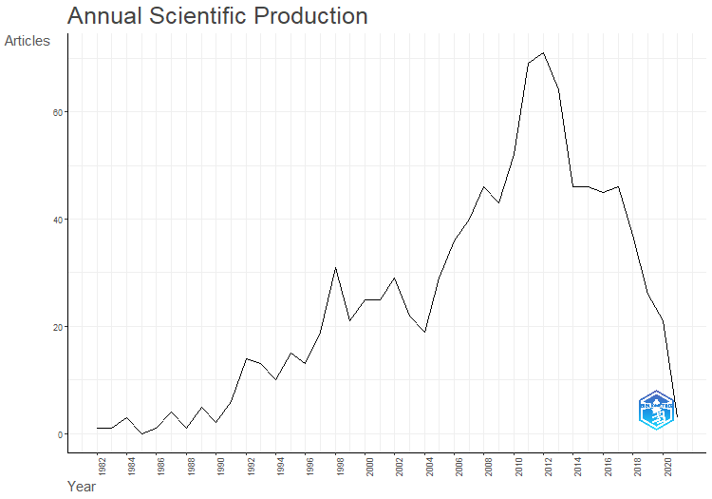
Year | Articles
1982 | 1
1983 | 1
1984 | 3
1985 | 0
1986 | 1
1987 | 4
1988 | 1
1989 | 5
1990 | 2
1991 | 6
1992 | 14
1993 | 13
1994 | 10
1995 | 15
1996 | 13
1997 | 19
1998 | 31
1999 | 21
2000 | 25
2001 | 25
2002 | 29
2003 | 22
2004 | 19
2005 | 29
2006 | 36
2007 | 40
2008 | 46
2009 | 43
2010 | 52
2011 | 69
2012 | 71
2013 | 64
2014 | 46
2015 | 46
2016 | 45
2017 | 46
2018 | 37
2019 | 26
2020 | 21
2021 | 3

AnnualCitPerYear
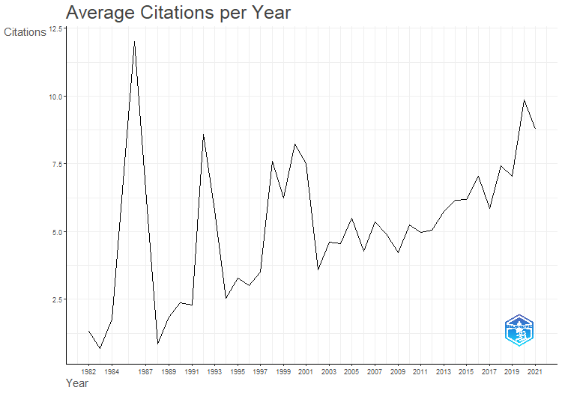
Year | MeanTCperArt | N | MeanTCperYear | CitableYears
1982 | 56 | 1 | 1.33 | 42
1983 | 28 | 1 | 0.68 | 41
1984 | 70.67 | 3 | 1.77 | 40
1986 | 456 | 1 | 12 | 38
1987 | 242 | 4 | 6.54 | 37
1988 | 31 | 1 | 0.86 | 36
1989 | 64.6 | 5 | 1.85 | 35
1990 | 81 | 2 | 2.38 | 34
1991 | 75.67 | 6 | 2.29 | 33
1992 | 274.43 | 14 | 8.58 | 32
1993 | 178.69 | 13 | 5.76 | 31
1994 | 76 | 10 | 2.53 | 30
1995 | 95.53 | 15 | 3.29 | 29
1996 | 84.46 | 13 | 3.02 | 28
1997 | 94.42 | 19 | 3.5 | 27
1998 | 197.23 | 31 | 7.59 | 26
1999 | 156.33 | 21 | 6.25 | 25
2000 | 197.68 | 25 | 8.24 | 24
2001 | 172.76 | 25 | 7.51 | 23
2002 | 78.69 | 29 | 3.58 | 22
2003 | 96.86 | 22 | 4.61 | 21
2004 | 90.95 | 19 | 4.55 | 20
2005 | 104.28 | 29 | 5.49 | 19
2006 | 76.94 | 36 | 4.27 | 18
2007 | 91.05 | 40 | 5.36 | 17
2008 | 78.76 | 46 | 4.92 | 16
2009 | 63.35 | 43 | 4.22 | 15
2010 | 73.38 | 52 | 5.24 | 14
2011 | 64.65 | 69 | 4.97 | 13
2012 | 60.66 | 71 | 5.06 | 12
2013 | 63.09 | 64 | 5.74 | 11
2014 | 61.48 | 46 | 6.15 | 10
2015 | 55.7 | 46 | 6.19 | 9
2016 | 56.38 | 45 | 7.05 | 8
2017 | 40.93 | 46 | 5.85 | 7
2018 | 44.49 | 37 | 7.42 | 6
2019 | 35.19 | 26 | 7.04 | 5
2020 | 39.43 | 21 | 9.86 | 4
2021 | 26.33 | 3 | 8.78 | 3

MostRelSources
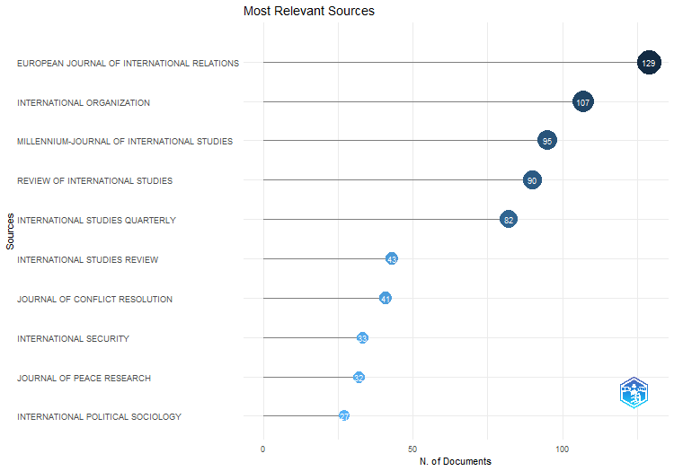
Sources | Articles
EUROPEAN JOURNAL OF INTERNATIONAL RELATIONS | 129
INTERNATIONAL ORGANIZATION | 107
MILLENNIUM-JOURNAL OF INTERNATIONAL STUDIES | 95
REVIEW OF INTERNATIONAL STUDIES | 90
INTERNATIONAL STUDIES QUARTERLY | 82
INTERNATIONAL STUDIES REVIEW | 43
JOURNAL OF CONFLICT RESOLUTION | 41
INTERNATIONAL SECURITY | 33
JOURNAL OF PEACE RESEARCH | 32
INTERNATIONAL POLITICAL SOCIOLOGY | 27
INTERNATIONAL AFFAIRS | 26
INTERNATIONAL THEORY | 26
SECURITY DIALOGUE | 24
CAMBRIDGE REVIEW OF INTERNATIONAL AFFAIRS | 23
INTERNATIONAL RELATIONS | 18
JOURNAL OF INTERNATIONAL RELATIONS AND DEVELOPMENT | 18
CONFLICT MANAGEMENT AND PEACE SCIENCE | 15
SECURITY STUDIES | 15
COOPERATION AND CONFLICT | 14
FOREIGN POLICY ANALYSIS | 14
WORLD POLITICS | 13
INTERNATIONAL RELATIONS OF THE ASIA-PACIFIC | 10
PACIFIC REVIEW | 10
REVIEW OF INTERNATIONAL POLITICAL ECONOMY | 9
CHINESE JOURNAL OF INTERNATIONAL POLITICS | 8
INTERNATIONAL INTERACTIONS | 8
REVIEW OF INTERNATIONAL ORGANIZATIONS | 8
GLOBAL GOVERNANCE | 6
INTERNATIONAL STUDIES PERSPECTIVES | 6
ALTERNATIVES | 5
AUSTRALIAN JOURNAL OF INTERNATIONAL AFFAIRS | 5
INTERNATIONAL POLITICS | 5
GLOBAL ENVIRONMENTAL POLITICS | 3
JCMS-JOURNAL OF COMMON MARKET STUDIES | 3
JOURNAL OF STRATEGIC STUDIES | 3
POLITICS | 3
ALTERNATIVES-SOCIAL TRANSFORMATION AND HUMANE GOVERNANCE | 2
ASIAN PERSPECTIVE | 2
EUROPEAN SECURITY | 2
FOREIGN AFFAIRS | 2
JOURNAL OF COMMON MARKET STUDIES | 2
AMERICAN JOURNAL OF INTERNATIONAL LAW | 1
COMMUNIST AND POST-COMMUNIST STUDIES | 1
ETHICS & INTERNATIONAL AFFAIRS | 1
FOREIGN POLICY | 1
GLOBALIZATIONS | 1
INTERNATIONAL JOURNAL | 1
INTERNATIONAL PEACEKEEPING | 1
JOURNAL OF HUMAN RIGHTS | 1
JOURNAL OF INTERVENTION AND STATEBUILDING | 1
LATIN AMERICAN POLITICS AND SOCIETY | 1
MARINE POLICY | 1
PACIFIC FOCUS | 1
TERRORISM AND POLITICAL VIOLENCE | 1

CorrAuthCountries
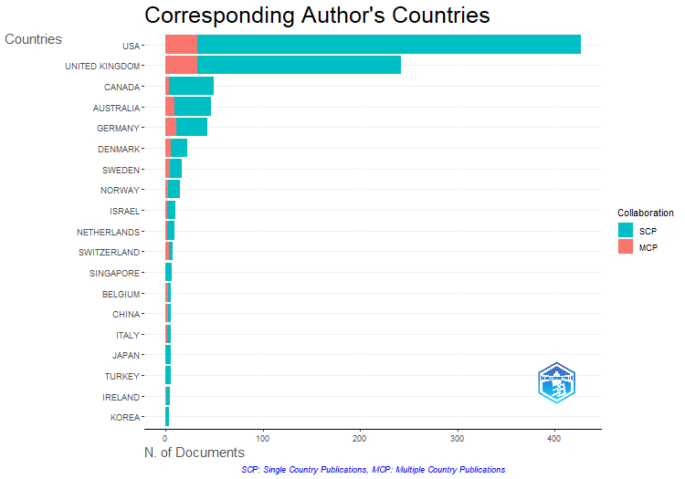
Country | Articles | SCP | MCP | Freq | MCP_Ratio
USA | 427 | 394 | 33 | 0.427 | 0.077283372365
UNITED KINGDOM | 242 | 209 | 33 | 0.242 | 0.13636363636
CANADA | 50 | 46 | 4 | 0.05 | 0.08
AUSTRALIA | 47 | 38 | 9 | 0.047 | 0.1914893617
GERMANY | 43 | 32 | 11 | 0.043 | 0.25581395349
 | 36 | 36 | 0 | 0.036 | 0
DENMARK | 23 | 17 | 6 | 0.023 | 0.26086956522
SWEDEN | 17 | 12 | 5 | 0.017 | 0.29411764706
NORWAY | 15 | 12 | 3 | 0.015 | 0.2
ISRAEL | 10 | 8 | 2 | 0.01 | 0.2
NETHERLANDS | 9 | 7 | 2 | 0.009 | 0.22222222222
SWITZERLAND | 8 | 4 | 4 | 0.008 | 0.5
SINGAPORE | 7 | 7 | 0 | 0.007 | 0
BELGIUM | 6 | 3 | 3 | 0.006 | 0.5
CHINA | 6 | 3 | 3 | 0.006 | 0.5
ITALY | 6 | 4 | 2 | 0.006 | 0.33333333333
JAPAN | 6 | 6 | 0 | 0.006 | 0
TURKEY | 6 | 6 | 0 | 0.006 | 0
IRELAND | 5 | 4 | 1 | 0.005 | 0.2
KOREA | 4 | 4 | 0 | 0.004 | 0
FINLAND | 3 | 2 | 1 | 0.003 | 0.33333333333
FRANCE | 3 | 1 | 2 | 0.003 | 0.66666666667
NEW ZEALAND | 3 | 2 | 1 | 0.003 | 0.33333333333
COLOMBIA | 2 | 1 | 1 | 0.002 | 0.5
CYPRUS | 2 | 2 | 0 | 0.002 | 0
ESTONIA | 2 | 2 | 0 | 0.002 | 0
HUNGARY | 2 | 2 | 0 | 0.002 | 0
ARGENTINA | 1 | 1 | 0 | 0.001 | 0
CZECH REPUBLIC | 1 | 0 | 1 | 0.001 | 1
GEORGIA | 1 | 0 | 1 | 0.001 | 1
INDIA | 1 | 0 | 1 | 0.001 | 1
IRAN | 1 | 1 | 0 | 0.001 | 0
LEBANON | 1 | 1 | 0 | 0.001 | 0
MALAYSIA | 1 | 1 | 0 | 0.001 | 0
RUSSIA | 1 | 1 | 0 | 0.001 | 0
SOUTH AFRICA | 1 | 0 | 1 | 0.001 | 1
SPAIN | 1 | 1 | 0 | 0.001 | 0

CountrySciProd
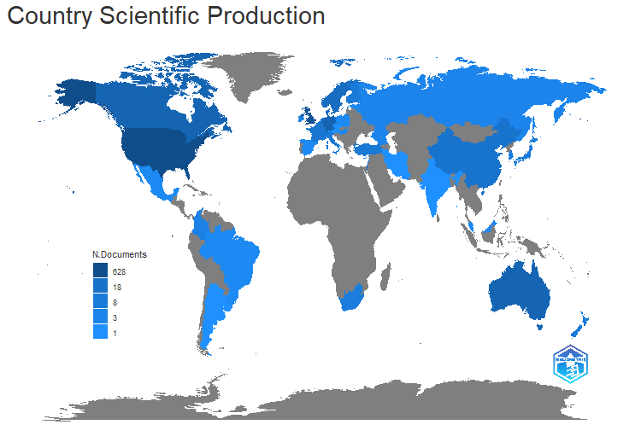
region | Freq
USA | 628
UK | 335
GERMANY | 66
AUSTRALIA | 63
CANADA | 63
DENMARK | 33
SWEDEN | 31
NORWAY | 27
ISRAEL | 18
SWITZERLAND | 18
NETHERLANDS | 16
CHINA | 15
BELGIUM | 13
FRANCE | 11
FINLAND | 9
ITALY | 9
TURKEY | 9
NEW ZEALAND | 8
SINGAPORE | 8
JAPAN | 7
SOUTH AFRICA | 6
SOUTH KOREA | 6
IRELAND | 5
COLOMBIA | 4
GEORGIA | 3
RUSSIA | 3
BRAZIL | 2
CYPRUS | 2
ESTONIA | 2
HUNGARY | 2
MALAYSIA | 2
MEXICO | 2
POLAND | 2
SPAIN | 2
ARGENTINA | 1
AUSTRIA | 1
CZECH REPUBLIC | 1
INDIA | 1
IRAN | 1
LEBANON | 1
NEPAL | 1
URUGUAY | 1

CountryProdOverTime
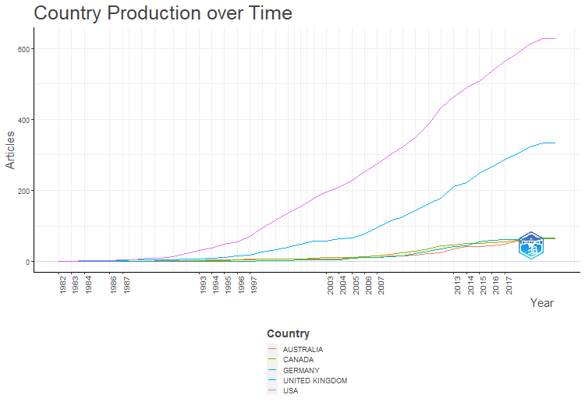
Country | Year | Articles
USA | 1982 | 1
USA | 1983 | 1
USA | 1984 | 2
USA | 1986 | 3
USA | 1987 | 5
USA | 1988 | 5
USA | 1989 | 8
USA | 1990 | 9
USA | 1991 | 13
USA | 1992 | 21
USA | 1993 | 30
USA | 1994 | 37
USA | 1995 | 48
USA | 1996 | 56
USA | 1997 | 71
USA | 1998 | 94
USA | 1999 | 117
USA | 2000 | 137
USA | 2001 | 154
USA | 2002 | 179
USA | 2003 | 196
USA | 2004 | 209
USA | 2005 | 229
USA | 2006 | 252
USA | 2007 | 275
USA | 2008 | 300
USA | 2009 | 324
USA | 2010 | 349
USA | 2011 | 387
USA | 2012 | 433
USA | 2013 | 464
USA | 2014 | 489
USA | 2015 | 508
USA | 2016 | 536
USA | 2017 | 565
USA | 2018 | 587
USA | 2019 | 613
USA | 2020 | 628
USA | 2021 | 628
UNITED KINGDOM | 1982 | 0
UNITED KINGDOM | 1983 | 0
UNITED KINGDOM | 1984 | 1
UNITED KINGDOM | 1986 | 1
UNITED KINGDOM | 1987 | 3
UNITED KINGDOM | 1988 | 4
UNITED KINGDOM | 1989 | 4
UNITED KINGDOM | 1990 | 4
UNITED KINGDOM | 1991 | 4
UNITED KINGDOM | 1992 | 7
UNITED KINGDOM | 1993 | 7
UNITED KINGDOM | 1994 | 9
UNITED KINGDOM | 1995 | 12
UNITED KINGDOM | 1996 | 16
UNITED KINGDOM | 1997 | 17
UNITED KINGDOM | 1998 | 27
UNITED KINGDOM | 1999 | 34
UNITED KINGDOM | 2000 | 39
UNITED KINGDOM | 2001 | 49
UNITED KINGDOM | 2002 | 57
UNITED KINGDOM | 2003 | 58
UNITED KINGDOM | 2004 | 63
UNITED KINGDOM | 2005 | 67
UNITED KINGDOM | 2006 | 77
UNITED KINGDOM | 2007 | 95
UNITED KINGDOM | 2008 | 114
UNITED KINGDOM | 2009 | 125
UNITED KINGDOM | 2010 | 142
UNITED KINGDOM | 2011 | 163
UNITED KINGDOM | 2012 | 177
UNITED KINGDOM | 2013 | 210
UNITED KINGDOM | 2014 | 223
UNITED KINGDOM | 2015 | 249
UNITED KINGDOM | 2016 | 265
UNITED KINGDOM | 2017 | 289
UNITED KINGDOM | 2018 | 304
UNITED KINGDOM | 2019 | 324
UNITED KINGDOM | 2020 | 333
UNITED KINGDOM | 2021 | 335
AUSTRALIA | 1982 | 0
AUSTRALIA | 1983 | 0
AUSTRALIA | 1984 | 0
AUSTRALIA | 1986 | 0
AUSTRALIA | 1987 | 0
AUSTRALIA | 1988 | 0
AUSTRALIA | 1989 | 1
AUSTRALIA | 1990 | 2
AUSTRALIA | 1991 | 2
AUSTRALIA | 1992 | 3
AUSTRALIA | 1993 | 3
AUSTRALIA | 1994 | 4
AUSTRALIA | 1995 | 5
AUSTRALIA | 1996 | 5
AUSTRALIA | 1997 | 6
AUSTRALIA | 1998 | 6
AUSTRALIA | 1999 | 6
AUSTRALIA | 2000 | 6
AUSTRALIA | 2001 | 6
AUSTRALIA | 2002 | 6
AUSTRALIA | 2003 | 7
AUSTRALIA | 2004 | 7
AUSTRALIA | 2005 | 11
AUSTRALIA | 2006 | 11
AUSTRALIA | 2007 | 12
AUSTRALIA | 2008 | 15
AUSTRALIA | 2009 | 16
AUSTRALIA | 2010 | 18
AUSTRALIA | 2011 | 21
AUSTRALIA | 2012 | 25
AUSTRALIA | 2013 | 35
AUSTRALIA | 2014 | 42
AUSTRALIA | 2015 | 42
AUSTRALIA | 2016 | 45
AUSTRALIA | 2017 | 49
AUSTRALIA | 2018 | 58
AUSTRALIA | 2019 | 62
AUSTRALIA | 2020 | 63
AUSTRALIA | 2021 | 63
CANADA | 1982 | 0
CANADA | 1983 | 0
CANADA | 1984 | 0
CANADA | 1986 | 0
CANADA | 1987 | 0
CANADA | 1988 | 0
CANADA | 1989 | 1
CANADA | 1990 | 1
CANADA | 1991 | 1
CANADA | 1992 | 1
CANADA | 1993 | 3
CANADA | 1994 | 3
CANADA | 1995 | 3
CANADA | 1996 | 4
CANADA | 1997 | 5
CANADA | 1998 | 6
CANADA | 1999 | 6
CANADA | 2000 | 7
CANADA | 2001 | 7
CANADA | 2002 | 8
CANADA | 2003 | 11
CANADA | 2004 | 11
CANADA | 2005 | 11
CANADA | 2006 | 13
CANADA | 2007 | 16
CANADA | 2008 | 20
CANADA | 2009 | 24
CANADA | 2010 | 29
CANADA | 2011 | 35
CANADA | 2012 | 43
CANADA | 2013 | 47
CANADA | 2014 | 50
CANADA | 2015 | 51
CANADA | 2016 | 52
CANADA | 2017 | 56
CANADA | 2018 | 60
CANADA | 2019 | 60
CANADA | 2020 | 63
CANADA | 2021 | 63
GERMANY | 1982 | 0
GERMANY | 1983 | 0
GERMANY | 1984 | 0
GERMANY | 1986 | 0
GERMANY | 1987 | 0
GERMANY | 1988 | 0
GERMANY | 1989 | 0
GERMANY | 1990 | 0
GERMANY | 1991 | 1
GERMANY | 1992 | 1
GERMANY | 1993 | 1
GERMANY | 1994 | 1
GERMANY | 1995 | 1
GERMANY | 1996 | 1
GERMANY | 1997 | 1
GERMANY | 1998 | 2
GERMANY | 1999 | 2
GERMANY | 2000 | 3
GERMANY | 2001 | 5
GERMANY | 2002 | 5
GERMANY | 2003 | 5
GERMANY | 2004 | 5
GERMANY | 2005 | 9
GERMANY | 2006 | 12
GERMANY | 2007 | 12
GERMANY | 2008 | 13
GERMANY | 2009 | 15
GERMANY | 2010 | 23
GERMANY | 2011 | 29
GERMANY | 2012 | 35
GERMANY | 2013 | 41
GERMANY | 2014 | 45
GERMANY | 2015 | 54
GERMANY | 2016 | 59
GERMANY | 2017 | 61
GERMANY | 2018 | 62
GERMANY | 2019 | 65
GERMANY | 2020 | 66
GERMANY | 2021 | 66

MostCitCountries
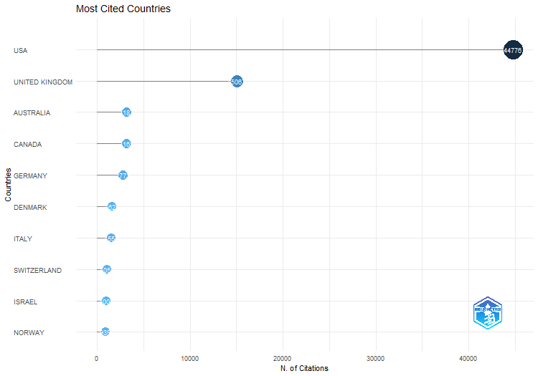
Country | TC | Average Article Citations
USA | 44776 | 104.9
UNITED KINGDOM | 15067 | 62.3
AUSTRALIA | 3187 | 67.8
CANADA | 3168 | 63.4
GERMANY | 2773 | 64.5
DENMARK | 1622 | 70.5
ITALY | 1551 | 258.5
SWITZERLAND | 1053 | 131.6
ISRAEL | 1005 | 100.5
NORWAY | 939 | 62.6
SWEDEN | 879 | 51.7
NEW ZEALAND | 590 | 196.7
NETHERLANDS | 543 | 60.3
HUNGARY | 424 | 212
FRANCE | 407 | 135.7
JAPAN | 366 | 61
CHINA | 357 | 59.5
IRELAND | 335 | 67
BELGIUM | 295 | 49.2
SINGAPORE | 287 | 41
TURKEY | 242 | 40.3
COLOMBIA | 199 | 99.5
ESTONIA | 184 | 92
KOREA | 175 | 43.8
FINLAND | 121 | 40.3
SPAIN | 98 | 98
GEORGIA | 60 | 60
CYPRUS | 53 | 26.5
CZECH REPUBLIC | 44 | 44
IRAN | 42 | 42
INDIA | 41 | 41
LEBANON | 40 | 40
SOUTH AFRICA | 40 | 40
RUSSIA | 39 | 39
MALAYSIA | 31 | 31
ARGENTINA | 26 | 26

MostGlobCitDocs
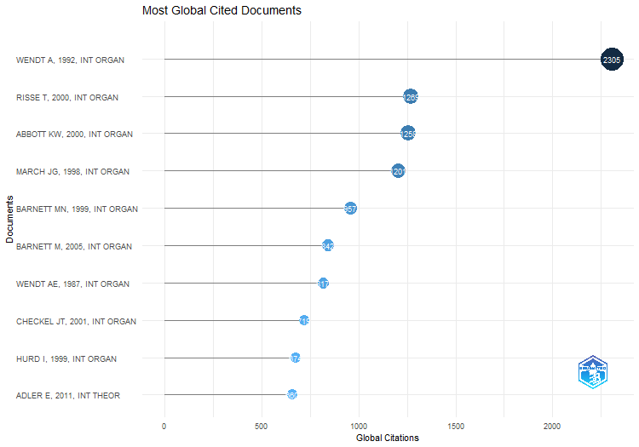
Paper | DOI | Total Citations | TC per Year | Normalized TC
WENDT A, 1992, INT ORGAN | 10.1017/S0020818300027764 | 2305 | 72.03125 | 8.3992712129
RISSE T, 2000, INT ORGAN | 10.1162/002081800551109 | 1269 | 52.875 | 6.4194658033
ABBOTT KW, 2000, INT ORGAN | 10.1162/002081800551280 | 1258 | 52.416666667 | 6.3638203157
MARCH JG, 1998, INT ORGAN | 10.1162/002081898550699 | 1201 | 46.192307692 | 6.0894667975
BARNETT MN, 1999, INT ORGAN | 10.1162/002081899551048 | 957 | 38.28 | 6.1215351812
BARNETT M, 2005, INT ORGAN | 10.1017/S0020818305050010 | 842 | 44.315789474 | 8.0747354497
WENDT AE, 1987, INT ORGAN | 10.1017/S002081830002751X | 817 | 22.081081081 | 3.3760330579
CHECKEL JT, 2001, INT ORGAN | 10.1162/00208180152507551 | 719 | 31.260869565 | 4.1618430192
HURD I, 1999, INT ORGAN | 10.1162/002081899550913 | 674 | 26.96 | 4.3113006397
ADLER E, 2011, INT THEOR | 10.1017/S175297191000031X | 660 | 50.769230769 | 10.208473436
HOPF T, 1998, INT SECURITY | 10.2307/2539267 | 647 | 24.884615385 | 3.2805037619
CHAYES A, 1993, INT ORGAN | 10.1017/S0020818300027910 | 627 | 20.225806452 | 3.5088247955
CEDERMAN LE, 2010, WORLD POLIT | 10.1017/S0043887109990219 | 621 | 44.357142857 | 8.4622641509
WILLIAMS MC, 2003, INT STUD QUART | 10.1046/j.0020-8833.2003.00277.x | 609 | 29 | 6.2871891131
PRICE R, 1998, INT ORGAN | 10.1162/002081898550671 | 593 | 22.807692308 | 3.0067059208
RUGGIE JG, 1998, INT ORGAN | 10.1162/002081898550770 | 569 | 21.884615385 | 2.8850179915
BENNETT DS, 2000, INT INTERACT | 10.1080/03050620008434965 | 513 | 21.375 | 2.5951031971
GHOSN F, 2004, CONFLICT MANAG PEACE | 10.1080/07388940490463861 | 488 | 24.4 | 5.3657407407
ADLER E, 1992, INT ORGAN | 10.1017/S0020818300001533 | 466 | 14.5625 | 1.6980739198
GOEMANS HE, 2009, J PEACE RES | 10.1177/0022343308100719 | 457 | 30.466666667 | 7.2140234949
KING G, 2001, INT ORGAN-a | 10.1162/00208180152507597 | 457 | 19.869565217 | 2.6452882612
KEOHANE RO, 1986, INT ORGAN | 10.1017/S0020818300004458 | 456 | 12 | 1
WEEKS JL, 2008, INT ORGAN | 10.1017/S0020818308080028 | 416 | 26 | 5.2818106542
OSIANDER A, 2001, INT ORGAN | 10.1162/00208180151140577 | 410 | 17.826086957 | 2.373234545
TRUE J, 2001, INT STUD QUART | 10.1111/0020-8833.00181 | 398 | 17.304347826 | 2.3037740218
KREBS RR, 2007, EUR J INT RELAT | 10.1177/1354066107074284 | 396 | 23.294117647 | 4.3492586491
DOTY RL, 1993, INT STUD QUART | 10.2307/2600810 | 385 | 12.419354839 | 2.1545415411
WAEVER O, 1998, INT ORGAN | 10.1162/002081898550725 | 382 | 14.692307692 | 1.9368662087
LEEDS BA, 2002, INT INTERACT | 10.1080/03050620213653 | 375 | 17.045454545 | 4.7655565294
KROOK ML, 2012, EUR J INT RELAT | 10.1177/1354066110380963 | 368 | 30.666666667 | 6.0664035291
JOHNSTON AI, 2013, INT SECURITY | 10.1162/ISEC_a_00115 | 354 | 32.181818182 | 5.6106983655
JACKSON PT, 1999, EUR J INT RELAT | 10.1177/1354066199005003002 | 350 | 14 | 2.2388059701
TOMZ M, 2007, INT ORGAN | 10.1017/S0020818307070282 | 345 | 20.294117647 | 3.7891268534
SIKKINK K, 1993, INT ORGAN | 10.1017/S0020818300028010 | 334 | 10.774193548 | 1.8691347396
GUZZINI S, 2000, EUR J INT RELAT | 10.1177/1354066100006002001 | 332 | 13.833333333 | 1.6794819911
STINNETT DM, 2002, CONFLICT MANAG PEACE | 10.1177/073889420201900203 | 316 | 14.363636364 | 4.0157756354
GLEDITSCH KS, 2007, J PEACE RES | 10.1177/0022343307076637 | 310 | 18.235294118 | 3.4047226798
HUYSMANS J, 1998, EUR J INT RELAT | 10.1177/1354066198004002004 | 310 | 11.923076923 | 1.5718024207
BLEIKER R, 2008, REV INT STUD | 10.1017/S0260210508007821 | 295 | 18.4375 | 3.7455147668
KATZENSTEIN PJ, 1998, INT ORGAN | 10.1017/S002081830003558X | 295 | 11.346153846 | 1.4957474648
GOLDSTEIN JS, 1992, J CONFLICT RESOLUT | 10.1177/0022002792036002007 | 284 | 8.875 | 1.0348776679
HOPF T, 2010, EUR J INT RELAT | 10.1177/1354066110363502 | 267 | 19.071428571 | 3.6383647799
HUDSON VM, 2005, FOREIGN POL ANAL-US | 10.1111/j.1743-8594.2005.00001.x | 265 | 13.947368421 | 2.5413359788
CLARKE KA, 2005, CONFLICT MANAG PEACE | 10.1080/07388940500339183 | 264 | 13.894736842 | 2.5317460317
ADLER-NISSEN R, 2014, INT ORGAN | 10.1017/S0020818313000337 | 259 | 25.9 | 4.2128712871
LEVY JS, 1997, INT STUD QUART | 10.1111/0020-8833.00034 | 259 | 9.5925925926 | 2.74303233
BECK N, 2001, INT ORGAN | 10.1162/00208180151140658 | 245 | 10.652173913 | 1.4181523501
BUZAN B, 1993, INT ORGAN | 10.1017/S0020818300027983 | 244 | 7.8709677419 | 1.365475678
ROSENBERG J, 2006, EUR J INT RELAT | 10.1177/1354066106067345 | 231 | 12.833333333 | 3.002166065
WENDT A, 1998, REV INT STUD | 10.1017/S0260210598001028 | 229 | 8.8076923077 | 1.1611056591
ADLER-NISSEN R, 2014, EUR J INT RELAT | 10.1177/1354066113512702 | 227 | 22.7 | 3.6923620934
HUTCHISON E, 2014, INT THEOR | 10.1017/S1752971914000232 | 227 | 22.7 | 3.6923620934
BURLEY AMS, 1993, AM J INT LAW | 10.2307/2203817 | 227 | 7.3225806452 | 1.2703400775
DREZNER DW, 2003, INT ORGAN | 10.1017/S0020818303573052 | 216 | 10.285714286 | 2.2299389958
CROSS MKD, 2013, REV INT STUD | 10.1017/S0260210512000034 | 215 | 19.545454545 | 3.4076275384
KELLEY J, 2004, INT ORGAN | 10.1017/S0020818304583017 | 214 | 10.7 | 2.3530092593
PATOMAKI H, 2000, INT STUD QUART | 10.1111/0020-8833.00156 | 214 | 8.9166666667 | 1.082557669
ELBE S, 2006, INT STUD QUART | 10.1111/j.1468-2478.2006.00395.x | 213 | 11.833333333 | 2.7682310469
GAUBATZ KT, 1996, INT ORGAN | 10.1017/S0020818300001685 | 213 | 7.6071428571 | 2.5218579235
CALLAHAN WA, 2008, INT STUD REV | 10.1111/j.1468-2486.2008.00830.x | 212 | 13.25 | 2.691691968
ACHARYA A, 2007, INT RELAT ASIA-PAC | 10.1093/irap/lcm012 | 211 | 12.411764706 | 2.3174080176
WEBER C, 1998, MILLENNIUM-J INT ST | 10.1177/03058298980270011101 | 210 | 8.0769230769 | 1.0647693817
VASQUEZ JA, 1995, J PEACE RES | 10.1177/0022343395032003003 | 209 | 7.2068965517 | 2.187718074
GREEN DP, 2001, INT ORGAN | 10.1162/00208180151140630 | 208 | 9.0434782609 | 1.2039824033
GLEDITSCH KS, 2001, J PEACE RES | 10.1177/0022343301038006006 | 207 | 9 | 1.1981940264
WALT SM, 1998, FOREIGN POLICY | 10.2307/1149275 | 207 | 7.9615384615 | 1.0495583906
BARKIN JS, 1994, INT ORGAN | 10.1017/S0020818300000837 | 206 | 6.8666666667 | 2.7105263158
BIGO D, 2011, INT POLIT SOCIOL | 10.1111/j.1749-5687.2011.00132.x | 204 | 15.692307692 | 3.1553463349
SUBOTIC J, 2016, FOREIGN POL ANAL-US | 10.1111/fpa.12089 | 201 | 25.125 | 3.565234529
CLARK AM, 1998, WORLD POLIT | 10.1017/S0043887100007772 | 199 | 7.6538461538 | 1.0089957475
CARLSNAES W, 1992, INT STUD QUART | 10.2307/2600772 | 199 | 6.21875 | 0.72514315461
KING G, 2003, INT ORGAN | 10.1017/S0020818303573064 | 195 | 9.2857142857 | 2.0131393712
TICKNER JA, 1997, INT STUD QUART | 10.1111/1468-2478.00060 | 195 | 7.2222222222 | 2.0652173913
PALMER G, 2015, CONFLICT MANAG PEACE | 10.1177/0738894214559680 | 193 | 21.444444444 | 3.4652615144
LAYNE C, 2012, INT STUD QUART | 10.1111/j.1468-2478.2011.00704.x | 193 | 16.083333333 | 3.1815648944
BERCOVITCH J, 1991, J PEACE RES | 10.1177/0022343391028001003 | 193 | 5.8484848485 | 2.550660793
LAKE DA, 1996, INT ORGAN | 10.1017/S002081830000165X | 191 | 6.8214285714 | 2.2613843352
KLOTZ A, 1995, INT ORGAN | 10.1017/S0020818300033348 | 190 | 6.5517241379 | 1.9888346127
MEARSHEIMER JJ, 2013, EUR J INT RELAT | 10.1177/1354066113494320 | 189 | 17.181818182 | 2.9955423477
BROOKS SG, 1997, INT ORGAN | 10.1162/002081897550429 | 185 | 6.8518518519 | 1.9593088071
WIENER A, 2009, REV INT STUD | 10.1017/S0260210509008377 | 182 | 12.133333333 | 2.8729809104
DINGWERTH K, 2006, GLOBAL GOV | 10.1163/19426720-01202006 | 182 | 10.111111111 | 2.3653429603
KING C, 2001, WORLD POLIT | 10.1353/wp.2001.0017 | 180 | 7.8260869565 | 1.041907849
BALZACQ T, 2016, INT RELAT | 10.1177/0047117815596590 | 176 | 22 | 3.1217973985
CAPRIOLI M, 2001, J CONFLICT RESOLUT | 10.1177/0022002701045004005 | 176 | 7.652173913 | 1.0187543413
HAFNER-BURTON EM, 2006, J CONFLICT RESOLUT | 10.1177/0022002705281669 | 175 | 9.7222222222 | 2.274368231
BROOKS SG, 2012, INT SECURITY |  | 172 | 14.333333333 | 2.8353842582
TROMBETTA MJ, 2008, CAMB REV INT AFF | 10.1080/09557570802452920 | 172 | 10.75 | 2.1838255589
WILKINSON C, 2007, SECUR DIALOGUE | 10.1177/0967010607075964 | 170 | 10 | 1.8671059857
PRICE R, 1995, INT ORGAN | 10.1017/S0020818300001582 | 169 | 5.8275862069 | 1.7690160502
SCHIMMELFENNIG F, 2000, EUR J INT RELAT | 10.1177/1354066100006001005 | 168 | 7 | 0.84985835694
DOTY RL, 1997, EUR J INT RELAT | 10.1177/1354066197003003004 | 166 | 6.1481481481 | 1.7580824972
DUNNE T, 2013, EUR J INT RELAT | 10.1177/1354066113495485 | 165 | 15 | 2.6151560178
JONES DM, 2007, INT SECURITY | 10.1162/isec.2007.32.1.148 | 165 | 9.7058823529 | 1.8121911038
EPSTEIN C, 2011, EUR J INT RELAT | 10.1177/1354066109350055 | 162 | 12.461538462 | 2.5057162071
WOLF R, 2011, INT THEOR | 10.1017/S1752971910000308 | 162 | 12.461538462 | 2.5057162071
NOLTE D, 2010, REV INT STUD | 10.1017/S026021051000135X | 159 | 11.357142857 | 2.1666666667
GUZZINI S, 2005, MILLENNIUM-J INT ST | 10.1177/03058298050330031301 | 153 | 8.0526315789 | 1.4672619048
BARKAWI T, 2002, MILLENNIUM-J INT ST | 10.1177/03058298020310010601 | 152 | 6.9090909091 | 1.9316389132
RUSSETT BM, 2000, J PEACE RES | 10.1177/0022343300037005003 | 152 | 6.3333333333 | 0.7689194658
TICKNER A, 2003, MILLENNIUM-J INT ST | 10.1177/03058298030320020301 | 151 | 7.1904761905 | 1.5588925387
BUEGER C, 2015, INT STUD QUART | 10.1111/isqu.12202 | 150 | 16.666666667 | 2.6932084309
POSEN BR, 2006, SECUR STUD | 10.1080/09636410600829356 | 150 | 8.3333333333 | 1.9494584838
PLUMPER T, 2006, INT ORGAN | 10.1017/S0020818306060231 | 149 | 8.2777777778 | 1.9364620939
MCKEOWN R, 2009, INT RELAT | 10.1177/0047117808100607 | 147 | 9.8 | 2.3204845815
STEELE BJ, 2005, REV INT STUD | 10.1017/S0260210505006613 | 147 | 7.7368421053 | 1.4097222222
HOFFMAN AM, 2002, EUR J INT RELAT | 10.1177/1354066102008003003 | 146 | 6.6363636364 | 1.8553900088
BARBIERI K, 1999, J PEACE RES | 10.1177/0022343399036004005 | 144 | 5.76 | 0.921108742
DE CARVALHO B, 2011, MILLENNIUM-J INT ST | 10.1177/0305829811401459 | 141 | 10.846153846 | 2.1809011432
TICKNER JA, 2005, INT STUD QUART | 10.1111/j.0020-8833.2005.00332.x | 141 | 7.4210526316 | 1.3521825397
QIN YQ, 2016, INT STUD REV | 10.1093/isr/viv031 | 140 | 17.5 | 2.4832479306
GERMAIN RD, 1998, REV INT STUD | 10.1017/S0260210598000035 | 140 | 5.3846153846 | 0.7098462545
PANKE D, 2012, EUR J INT RELAT | 10.1177/1354066111407690 | 136 | 11.333333333 | 2.241931739
MCCOURT DM, 2016, INT STUD QUART | 10.1093/isq/sqw036 | 134 | 16.75 | 2.3768230193
ACHARYA A, 2011, MILLENNIUM-J INT ST | 10.1177/0305829811406574 | 134 | 10.307692308 | 2.0726294553
KING G, 1989, INT STUD QUART | 10.2307/2600534 | 134 | 3.8285714286 | 2.0743034056
MOST BA, 1984, WORLD POLIT | 10.2307/2010380 | 133 | 3.325 | 1.8820754717
LAFFEY M, 1997, EUR J INT RELAT | 10.1177/1354066197003002003 | 132 | 4.8888888889 | 1.397993311
BUZAN B, 2001, MILLENNIUM-J INT ST | 10.1177/03058298010300010401 | 131 | 5.6956521739 | 0.75827737902
HERRMANN RK, 1995, INT ORGAN | 10.1017/S0020818300033336 | 131 | 4.5172413793 | 1.3712491277
LAKE DA, 2013, EUR J INT RELAT | 10.1177/1354066113494330 | 130 | 11.818181818 | 2.0604259534
HAFTEL YZ, 2006, J CONFLICT RESOLUT | 10.1177/0022002705285288 | 130 | 7.2222222222 | 1.6895306859
GUTNER T, 2010, REV INT ORGAN | 10.1007/s11558-010-9096-z | 129 | 9.2142857143 | 1.7578616352
BUZAN B, 2001, REV INT STUD |  | 129 | 5.6086956522 | 0.74670062514
GADDIS JL, 1993, INT SECURITY |  | 128 | 4.1290322581 | 0.71631510977
ROSENBERG J, 2016, INT RELAT | 10.1177/0047117816644662 | 126 | 15.75 | 2.2349231376
ARADAU C, 2014, EUR J INT RELAT | 10.1177/1354066112474479 | 126 | 12.6 | 2.0495049505
THEISEN OM, 2012, J PEACE RES | 10.1177/0022343311425842 | 126 | 10.5 | 2.077083817
ADLER E, 1997, MILLENNIUM-J INT ST | 10.1177/03058298970260021101 | 125 | 4.6296296296 | 1.3238573021
IIDA K, 1993, J CONFLICT RESOLUT | 10.1177/0022002793037003001 | 125 | 4.0322580645 | 0.69952647439
TICKNER AB, 2013, EUR J INT RELAT | 10.1177/1354066113494323 | 123 | 11.181818182 | 1.9494799406
MALKSOO M, 2015, SECUR DIALOGUE | 10.1177/0967010614552549 | 122 | 13.555555556 | 2.1904761905
HANSEN L, 2015, REV INT STUD | 10.1017/S0260210514000199 | 121 | 13.444444444 | 2.1725214676
COLGAN JD, 2012, REV INT ORGAN | 10.1007/s11558-011-9130-9 | 121 | 10.083333333 | 1.994659856
SASLEY BE, 2011, INT STUD REV | 10.1111/j.1468-2486.2011.01049.x | 121 | 9.3076923077 | 1.8715534633
SHANI G, 2008, INT STUD REV | 10.1111/j.1468-2486.2008.00828.x | 121 | 7.5625 | 1.5362958874
MILNER HV, 1998, INT ORGAN | 10.1162/002081898550743 | 121 | 4.6538461538 | 0.6135099771
CALL CT, 2008, INT STUD PERSPECT | 10.1111/j.1528-3585.2007.00313.x | 120 | 7.5 | 1.5235992272
BARKAWI T, 1999, EUR J INT RELAT | 10.1177/1354066199005004001 | 120 | 4.8 | 0.76759061834
CLAPHAM C, 1998, REV INT STUD | 10.1017/S0260210598001430 | 119 | 4.5769230769 | 0.60336931632
CEDERMAN LE, 2009, WORLD POLIT | 10.1017/S0043887109000148 | 118 | 7.8666666667 | 1.862701909
ACKERLY B, 2008, INT STUD REV | 10.1111/j.1468-2486.2008.00826.x | 118 | 7.375 | 1.4982059067
BOX-STEFFENSMEIER JM, 2003, J CONFLICT RESOLUT | 10.1177/0022002702239510 | 117 | 5.5714285714 | 1.2078836227
BERNSTEIN S, 2000, EUR J INT RELAT | 10.1177/1354066100006001003 | 116 | 4.8333333333 | 0.58680696074
HOROWITZ MC, 2014, INT ORGAN | 10.1017/S0020818314000046 | 115 | 11.5 | 1.8705799151
HURRELL A, 2007, INT AFF | 10.1111/j.1468-2346.2007.00606.x | 115 | 6.7647058824 | 1.2630422845
QIN YQ, 2007, INT RELAT ASIA-PAC | 10.1093/irap/lcm013 | 115 | 6.7647058824 | 1.2630422845
LIFF AP, 2014, INT SECURITY | 10.1162/ISEC_a_00176 | 114 | 11.4 | 1.8543140028
CETINYAN R, 2002, INT ORGAN | 10.1162/002081802760199917 | 114 | 5.1818181818 | 1.4487291849
AHALL L, 2018, INT POLIT SOCIOL | 10.1093/ips/olx024 | 113 | 18.833333333 | 2.5400972053
HENSEL PR, 1996, CONFLICT MANAG PEACE | 10.1177/073889429601500103 | 113 | 4.0357142857 | 1.3378870674
KRISHNA S, 2001, ALTERNATIVES | 10.1177/030437540102600403 | 113 | 4.9130434783 | 0.65408659412
DESTRADI S, 2010, REV INT STUD | 10.1017/S0260210510001361 | 112 | 8 | 1.5262054507
GOEMANS HE, 2008, J CONFLICT RESOLUT | 10.1177/0022002708323316 | 112 | 7 | 1.4220259453
LEMKE D, 1996, INT INTERACT | 10.1080/03050629608434886 | 112 | 4 | 1.3260473588
THOMPSON WR, 1995, J CONFLICT RESOLUT | 10.1177/0022002795039002001 | 112 | 3.8620689655 | 1.1723656664
DEUDNEY DH, 1995, INT ORGAN | 10.1017/S002081830002837X | 112 | 3.8620689655 | 1.1723656664
PHILPOTT D, 2002, WORLD POLIT | 10.1353/wp.2003.0006 | 111 | 5.0454545455 | 1.4106047327
KAUFMANN CD, 1999, INT ORGAN | 10.1162/002081899551020 | 111 | 4.44 | 0.71002132196
ADLER E, 2009, REV INT STUD | 10.1017/S0260210509008432 | 110 | 7.3333333333 | 1.7364170338
MINTZ A, 2006, J CONFLICT RESOLUT | 10.1177/0022002706291052 | 110 | 6.1111111111 | 1.4296028881
DUFFIELD JS, 1999, INT ORGAN | 10.1162/002081899551066 | 109 | 4.36 | 0.69722814499
JOSEPH J, 2010, EUR J INT RELAT | 10.1177/1354066109346886 | 108 | 7.7142857143 | 1.4716981132
GLASER C, 2011, FOREIGN AFF |  | 107 | 8.2307692308 | 1.6550100874
KITCHEN N, 2010, REV INT STUD | 10.1017/S0260210509990532 | 106 | 7.5714285714 | 1.4444444444
FRIEDRICHS J, 2001, EUR J INT RELAT | 10.1177/1354066101007004004 | 106 | 4.6086956522 | 0.61356795555
RATHBUN BC, 2016, INT STUD QUART | 10.1093/isq/sqv012 | 105 | 13.125 | 1.862435948
BROWNING CS, 2013, EUR J INT RELAT | 10.1177/1354066111419538 | 105 | 9.5454545455 | 1.6641901932
BADESCU CG, 2010, INT STUD PERSPECT | 10.1111/j.1528-3585.2010.00412.x | 105 | 7.5 | 1.4308176101
BRIGG M, 2010, REV INT STUD | 10.1017/S0260210510000689 | 105 | 7.5 | 1.4308176101
WELDES J, 1999, MILLENNIUM-J INT ST | 10.1177/03058298990280011201 | 105 | 4.2 | 0.67164179104
THOMSON JE, 1995, INT STUD QUART |  | 105 | 3.6206896552 | 1.0990928123
HALL TH, 2015, INT ORGAN | 10.1017/S0020818315000144 | 103 | 11.444444444 | 1.8493364559
ALDERSON K, 2001, REV INT STUD |  | 103 | 4.4782608696 | 0.59620282473
MALINIAK D, 2011, INT STUD QUART | 10.1111/j.1468-2478.2011.00653.x | 102 | 7.8461538462 | 1.5776731675
BIERMANN R, 2008, REV INT ORGAN | 10.1007/s11558-007-9027-9 | 101 | 6.3125 | 1.2823626829
PHILPOTT D, 2000, WORLD POLIT | 10.1017/S0043887100002604 | 101 | 4.2083333333 | 0.5109267503
KAARBO J, 2015, INT STUD REV | 10.1111/misr.12213 | 100 | 11.111111111 | 1.7954722873
HE K, 2008, EUR J INT RELAT | 10.1177/1354066108092310 | 99 | 6.1875 | 1.2569693624
VAN KERSBERGEN K, 2007, EUR J INT RELAT | 10.1177/1354066107076955 | 99 | 5.8235294118 | 1.0873146623
BERENSKOETTER F, 2007, MILLENNIUM-J INT ST | 10.1177/03058298070350031501 | 99 | 5.8235294118 | 1.0873146623
FIERKE KM, 2002, INT STUD QUART | 10.1111/1468-2478.00236 | 99 | 4.5 | 1.2581069238
SAIDEMAN SM, 2002, J PEACE RES | 10.1177/0022343302039001002 | 99 | 4.5 | 1.2581069238
THOMPSON WR, 1997, J CONFLICT RESOLUT | 10.1177/0022002797041003005 | 99 | 3.6666666667 | 1.0484949833
BARBE E, 2008, INT AFF | 10.1111/j.1468-2346.2008.00690.x | 98 | 6.125 | 1.2442727022
AGNEW J, 2007, INT POLIT SOCIOL | 10.1111/j.1749-5687.2007.00009.x | 98 | 5.7647058824 | 1.0763316859
SAIDEMAN SM, 1997, INT ORGAN | 10.1162/002081897550500 | 98 | 3.6296296296 | 1.0379041249
EPSTEIN C, 2012, INT STUD PERSPECT | 10.1111/j.1528-3585.2012.00458.x | 97 | 8.0833333333 | 1.5990248433
COGGINS B, 2011, INT ORGAN | 10.1017/S0020818311000105 | 97 | 7.4615384615 | 1.5003362475
ROSENBERG J, 2010, CAMB REV INT AFF | 10.1080/09557570903524270 | 97 | 6.9285714286 | 1.321802935
HOWELL WG, 2005, INT ORGAN | 10.1017/S0020818305050034 | 97 | 5.1052631579 | 0.93022486772
KOWERT PA, 1997, J CONFLICT RESOLUT | 10.1177/0022002797041005001 | 97 | 3.5925925926 | 1.0273132664
BUEGER C, 2015, MAR POLICY | 10.1016/j.marpol.2014.12.005 | 96 | 10.666666667 | 1.7236533958
FARRELL H, 2010, REV INT POLIT ECON | 10.1080/09692291003723672 | 96 | 6.8571428571 | 1.3081761006
VRASTI W, 2008, MILLENNIUM-J INT ST | 10.1177/0305829808097641 | 96 | 6 | 1.2188793817
BIELER A, 2001, EUR J INT RELAT | 10.1177/1354066101007001001 | 96 | 4.1739130435 | 0.55568418615
LEBOW RN, 1994, INT ORGAN | 10.1017/S0020818300028186 | 96 | 3.2 | 1.2631578947
GODDARD SE, 2009, INT THEOR | 10.1017/S1752971909000128 | 95 | 6.3333333333 | 1.4996328928
HURD I, 2005, INT ORGAN | 10.1017/S0020818305050186 | 95 | 5 | 0.91104497354
FOX J, 2004, J PEACE RES | 10.1177/0022343304047434 | 94 | 4.7 | 1.0335648148
BROWNING CS, 2017, COOP CONFL | 10.1177/0010836716653161 | 93 | 13.285714286 | 2.2719065321
KIRSHNER J, 2012, EUR J INT RELAT | 10.1177/1354066110373949 | 93 | 7.75 | 1.5330856745
MEGER S, 2016, INT STUD QUART | 10.1093/isq/sqw003 | 92 | 11.5 | 1.6318486401
BUZAN B, 2010, EUR J INT RELAT | 10.1177/1354066109350064 | 92 | 6.5714285714 | 1.2536687631
GRAY J, 2018, INT STUD QUART | 10.1093/isq/sqx086 | 91 | 15.166666667 | 2.0455650061
AMOORE L, 2004, REV INT STUD | 10.1017/S0260210504005844 | 91 | 4.55 | 1.0005787037
DAUPHINEE E, 2010, REV INT STUD | 10.1017/S0260210510000690 | 90 | 6.4285714286 | 1.2264150943
GIBLER DM, 2008, J CONFLICT RESOLUT | 10.1177/0022002707310003 | 90 | 5.625 | 1.1426994204
CHOWDHRY G, 2007, MILLENNIUM-J INT ST | 10.1177/03058298070360010701 | 90 | 5.2941176471 | 0.98846787479
ZEHFUSS M, 2001, EUR J INT RELAT | 10.1177/1354066101007003002 | 90 | 3.9130434783 | 0.52095392452
KING G, 2001, INT ORGAN | 10.1162/00208180151140667 | 90 | 3.9130434783 | 0.52095392452
ONEAL JR, 2001, INT ORGAN | 10.1162/00208180151140649 | 90 | 3.9130434783 | 0.52095392452
KAHLER M, 1998, INT ORGAN | 10.1162/002081898550680 | 90 | 3.4615384615 | 0.45632973503
CEDERMAN LE, 2013, INT ORGAN | 10.1017/S0020818313000064 | 89 | 8.0909090909 | 1.4105993066
DOWNES AB, 2012, INT ORGAN | 10.1017/S0020818312000161 | 89 | 7.4166666667 | 1.4671465057
HOUGHTON DP, 2007, FOREIGN POL ANAL-US | 10.1111/j.1743-8594.2007.00040.x | 89 | 5.2352941176 | 0.97748489841
KANG DC, 2003, INT SECURITY | 10.1162/016228803773100110 | 89 | 4.2380952381 | 0.91881745659
CARSON A, 2016, INT ORGAN | 10.1017/S0020818315000284 | 88 | 11 | 1.5608986993
WIGHT C, 1999, EUR J INT RELAT | 10.1177/1354066199005001004 | 88 | 3.52 | 0.56289978678
SYLVESTER C, 2012, MILLENNIUM-J INT ST | 10.1177/0305829812442211 | 87 | 7.25 | 1.4341769213
GARTZKE E, 2003, INT STUD QUART | 10.1046/j.0020-8833.2003.00279.x | 87 | 4.1428571429 | 0.8981698733
FUKUYAMA F, 1998, FOREIGN AFF | 10.2307/20049048 | 87 | 3.3461538462 | 0.44111874387
SYLVESTER C, 1994, MILLENNIUM-J INT ST | 10.1177/03058298940230021301 | 87 | 2.9 | 1.1447368421
HOWELL A, 2020, SECUR DIALOGUE | 10.1177/0967010619862921 | 86 | 21.5 | 2.1811594203
NIEMANN A, 2013, INT RELAT | 10.1177/0047117813497306 | 86 | 7.8181818182 | 1.3630510154
TOFT MD, 2006, SECUR STUD | 10.1080/09636410600666246 | 86 | 4.7777777778 | 1.1176895307
CAPORASO JA, 1992, INT ORGAN | 10.1017/S0020818300027843 | 86 | 2.6875 | 0.31337844872
BROWNING CS, 2015, FOREIGN POL ANAL-US | 10.1111/fpa.12028 | 85 | 9.4444444444 | 1.5261514442
BUEGER C, 2015, INT POLIT SOCIOL | 10.1111/ips.12073 | 85 | 9.4444444444 | 1.5261514442
HURD ES, 2004, EUR J INT RELAT | 10.1177/1354066104042936 | 85 | 4.25 | 0.93460648148
WOHLFORTH WC, 2018, REV INT STUD | 10.1017/S0260210517000560 | 84 | 14 | 1.8882138518
CHEN CC, 2011, INT RELAT ASIA-PAC | 10.1093/irap/lcq014 | 84 | 6.4615384615 | 1.2992602555
LEKTZIAN D, 2003, J PEACE RES | 10.1177/00223433030406002 | 84 | 4 | 0.86719849836
THOMAS SM, 2000, MILLENNIUM-J INT ST | 10.1177/03058298000290030401 | 84 | 3.5 | 0.42492917847
POWELL R, 1996, WORLD POLIT | 10.1353/wp.1996.0006 | 84 | 3 | 0.99453551913
WHEELER NJ, 1992, MILLENNIUM-J INT ST | 10.1177/03058298920210030201 | 84 | 2.625 | 0.30609057782
LUPOVICI A, 2012, REV INT STUD | 10.1017/S0260210511000222 | 83 | 6.9166666667 | 1.3682377525
KAYAOGLU T, 2010, INT STUD REV | 10.1111/j.1468-2486.2010.00928.x | 83 | 5.9285714286 | 1.1310272537
GUILHOT N, 2008, INT POLIT SOCIOL | 10.1111/j.1749-5687.2008.00052.x | 83 | 5.1875 | 1.0538227988
VITALIS R, 2000, MILLENNIUM-J INT ST | 10.1177/03058298000290020701 | 83 | 3.4583333333 | 0.41987049777
TESSLER M, 1997, WORLD POLIT | 10.1353/wp.1997.0005 | 83 | 3.0740740741 | 0.87904124861
ZALEWSKI M, 1995, INT AFF | 10.2307/2623438 | 83 | 2.8620689655 | 0.86880669923
KROLIKOWSKI A, 2008, CHIN J INT POLIT | 10.1093/cjip/pon003 | 83 | 5.1875 | 1.0538227988
GEORGE J, 1990, INT STUD QUART | 10.2307/2600570 | 83 | 2.4411764706 | 1.024691358
TOMZ M, 2020, INT ORGAN | 10.1017/S0020818319000341 | 82 | 20.5 | 2.0797101449
LEANDER A, 2011, INT POLIT SOCIOL | 10.1111/j.1749-5687.2011.00135.x | 82 | 6.3076923077 | 1.2683254876
JAHN B, 2005, INT ORGAN | 10.1017/S0020818305050046 | 82 | 4.3157894737 | 0.78637566138
KOENIG-ARCHIBUGI M, 2004, INT ORGAN |  | 82 | 4.1 | 0.90162037037
BENSON M, 1998, J CONFLICT RESOLUT | 10.1177/0022002798042002004 | 82 | 3.1538461538 | 0.41576709192
JACKSON PT, 2013, EUR J INT RELAT | 10.1177/1354066113495482 | 81 | 7.3636363636 | 1.2838038633
MONTEIRO NP, 2011, INT SECURITY | 10.1162/ISEC_a_00064 | 81 | 6.2307692308 | 1.2528581036
BIELER A, 2008, INT STUD QUART | 10.1111/j.1468-2478.2007.00493.x | 81 | 5.0625 | 1.0284294783
BIGO D, 2007, MILLENNIUM-J INT ST | 10.1177/03058298070350030401 | 81 | 4.7647058824 | 0.88962108731
BARTELSON J, 2006, EUR J INT RELAT | 10.1177/1354066106067348 | 81 | 4.5 | 1.0527075812
FORDHAM BO, 2005, INT STUD QUART | 10.1111/j.0020-8833.2005.00338.x | 81 | 4.2631578947 | 0.77678571429
MITCHELL SM, 1999, J CONFLICT RESOLUT | 10.1177/0022002799043006005 | 81 | 3.24 | 0.51812366738
SOLOMON T, 2014, EUR J INT RELAT | 10.1177/1354066113503479 | 80 | 8 | 1.3012729844
KRATOCHWIL F, 2007, J INT RELAT DEV | 10.1057/palgrave.jird.1800111 | 80 | 4.7058823529 | 0.87863811093
HOROWITZ M, 2005, J CONFLICT RESOLUT | 10.1177/0022002705279469 | 80 | 4.2105263158 | 0.7671957672
LINKLATER A, 1992, MILLENNIUM-J INT ST | 10.1177/03058298920210010601 | 80 | 2.5 | 0.29151483602
BOOTH K, 1995, INT AFF | 10.2307/2624012 | 80 | 2.7586206897 | 0.83740404745
SHIFRINSON JRI, 2016, INT SECURITY | 10.1162/ISEC_a_00236 | 79 | 9.875 | 1.4012613323
SUGANAMI H, 2008, MILLENNIUM-J INT ST | 10.1177/0305829808097643 | 79 | 4.9375 | 1.0030361579
HOOGENSEN G, 2006, SECUR DIALOGUE | 10.1177/0967010606066436 | 79 | 4.3888888889 | 1.0267148014
AVANT D, 2000, INT ORGAN | 10.1162/002081800551118 | 79 | 3.2916666667 | 0.39963577499
HELLMANN G, 2009, INT STUD REV | 10.1111/j.1468-2486.2009.00889.x | 79 | 5.2666666667 | 1.2470631424
DERDERIAN J, 1990, INT STUD QUART | 10.2307/2600571 | 79 | 2.3235294118 | 0.97530864198
ACHARYA A, 2017, INT RELAT ASIA-PAC | 10.1093/irap/lcx006 | 78 | 11.142857143 | 1.9054699947
HAMATI-ATAYA I, 2013, EUR J INT RELAT | 10.1177/1354066112437770 | 78 | 7.0909090909 | 1.2362555721
KIRBY P, 2013, EUR J INT RELAT | 10.1177/1354066111427614 | 78 | 7.0909090909 | 1.2362555721
LAKE DA, 2010, INT SECURITY | 10.1162/ISEC_a_00029 | 78 | 5.5714285714 | 1.0628930818
ROUSSEAU DL, 2007, J CONFLICT RESOLUT | 10.1177/0022002707304813 | 78 | 4.5882352941 | 0.85667215815
SUZUKI S, 2007, PAC REV | 10.1080/09512740601133195 | 78 | 4.5882352941 | 0.85667215815
OWEN JM, 2002, INT ORGAN | 10.1162/002081802320005513 | 78 | 3.5454545455 | 0.99123575811
GUZZINI S, 2013, EUR J INT RELAT | 10.1177/1354066113494327 | 77 | 7 | 1.2204061417
YOUNGS G, 2004, INT AFF |  | 77 | 3.85 | 0.84664351852
SENESE PD, 1996, CONFLICT MANAG PEACE | 10.1177/073889429601500202 | 77 | 2.75 | 0.9116575592
WILLIAMS MC, 1996, INT ORGAN | 10.1017/S002081830002854X | 77 | 2.75 | 0.9116575592
ZHANG YJ, 2001, REV INT STUD | 10.1017/S0260210501008026 | 77 | 3.347826087 | 0.44570502431
BLANEY DL, 2017, MILLENNIUM-J INT ST | 10.1177/0305829817702446 | 76 | 10.857142857 | 1.8566117897
HAMEIRI S, 2016, EUR J INT RELAT | 10.1177/1354066115578952 | 76 | 9.5 | 1.3480488766
AVEY PC, 2014, INT STUD QUART | 10.1111/isqu.12111 | 76 | 7.6 | 1.2362093352
GOLDSMITH BE, 2012, WORLD POLIT | 10.1017/S0043887112000123 | 76 | 6.3333333333 | 1.2528442071
SHINKO RE, 2008, MILLENNIUM-J INT ST | 10.1177/03058298080360030501 | 76 | 4.75 | 0.9649461772
KURKI M, 2006, REV INT STUD | 10.1017/S026021050600698X | 76 | 4.2222222222 | 0.98772563177
CAMPBELL D, 1998, MILLENNIUM-J INT ST | 10.1177/03058298980270031001 | 76 | 2.9230769231 | 0.38534510958
KINNVALL C, 2017, COOP CONFL | 10.1177/0010836716653162 | 75 | 10.714285714 | 1.8321826872
HUANG R, 2016, INT SECURITY | 10.1162/ISEC_a_00237 | 75 | 9.375 | 1.3303113914
RAYMOND M, 2015, INT THEOR | 10.1017/S1752971915000081 | 75 | 8.3333333333 | 1.3466042155
NADARAJAH S, 2015, REV INT STUD | 10.1017/S0260210514000060 | 75 | 8.3333333333 | 1.3466042155
THIES CG, 2012, FOREIGN POL ANAL-US | 10.1111/j.1743-8594.2011.00169.x | 75 | 6.25 | 1.2363594149
NEUMAYER E, 2010, INT ORGAN | 10.1017/S0020818309990191 | 75 | 5.3571428571 | 1.0220125786
GRIGORESCU A, 2007, INT STUD QUART | 10.1111/j.1468-2478.2007.00467.x | 75 | 4.4117647059 | 0.823723229
MAOZ Z, 2006, J CONFLICT RESOLUT | 10.1177/0022002706291053 | 75 | 4.1666666667 | 0.97472924188
ROE P, 1999, J PEACE RES | 10.1177/0022343399036002004 | 75 | 3 | 0.47974413646
KEOHANE RO, 1989, MILLENNIUM-J INT ST | 10.1177/03058298890180021001 | 75 | 2.1428571429 | 1.1609907121
JOHNSTON AI, 2019, INT SECURITY | 10.1162/isec_a_00360 | 74 | 14.8 | 2.1027322404
GILLI A, 2018, INT SECURITY | 10.1162/isec_a_00337 | 74 | 12.333333333 | 1.6634264885
JARVIS L, 2013, INT RELAT | 10.1177/0047117812460880 | 74 | 6.7272727273 | 1.1728578504
HENDERSON EA, 2013, CAMB REV INT AFF | 10.1080/09557571.2012.710585 | 74 | 6.7272727273 | 1.1728578504
WILKINS TS, 2012, REV INT STUD | 10.1017/S0260210511000209 | 74 | 6.1666666667 | 1.2198746227
WOHLFORTH WC, 2007, EUR J INT RELAT | 10.1177/1354066107076951 | 74 | 4.3529411765 | 0.81274025261
WILLIAMS MC, 2001, EUR J INT RELAT | 10.1177/1354066101007004006 | 74 | 3.2173913043 | 0.42833989349
BROWN C, 1994, MILLENNIUM-J INT ST | 10.1177/03058298940230020901 | 74 | 2.4666666667 | 0.97368421053
WEBER C, 1994, MILLENNIUM-J INT ST | 10.1177/03058298940230021401 | 74 | 2.4666666667 | 0.97368421053
DESSLER D, 1991, INT STUD QUART | 10.2307/2600703 | 74 | 2.2424242424 | 0.97797356828
NORDHAUS W, 2012, INT ORGAN | 10.1017/S0020818312000173 | 73 | 6.0833333333 | 1.2033898305
SETH S, 2011, MILLENNIUM-J INT ST | 10.1177/0305829811412325 | 73 | 5.6153846154 | 1.1291190316
HUTCHISON E, 2010, INT RELAT | 10.1177/0047117809348712 | 73 | 5.2142857143 | 0.99475890985
O TUATHAIL G, 1999, J STRATEGIC STUD |  | 73 | 2.92 | 0.46695095949
STRANGE S, 1992, INT AFF | 10.2307/2620458 | 73 | 2.28125 | 0.26600728787
HAGMANN J, 2014, EUR J INT RELAT | 10.1177/1354066112449879 | 72 | 7.2 | 1.171145686
BRANCH J, 2011, INT ORGAN | 10.1017/S0020818310000299 | 72 | 5.5384615385 | 1.1136516476
CRAWFORD TW, 2011, INT SECURITY | 10.1162/ISEC_a_00036 | 72 | 5.5384615385 | 1.1136516476
BOUSQUET A, 2011, CAMB REV INT AFF | 10.1080/09557571.2011.558054 | 72 | 5.5384615385 | 1.1136516476
BHAMBRA GK, 2010, CAMB REV INT AFF | 10.1080/09557570903433639 | 72 | 5.1428571429 | 0.98113207547
FAZAL TM, 2004, INT ORGAN | 10.1017/S0020818304582048 | 72 | 3.6 | 0.79166666667
HARMES A, 1998, REV INT POLIT ECON | 10.1080/096922998347660 | 72 | 2.7692307692 | 0.36506378803
RINGMAR E, 2014, INT THEOR | 10.1017/S1752971913000316 | 71 | 7.1 | 1.1548797737
HALL T, 2012, INT STUD QUART | 10.1111/j.1468-2478.2012.00731.x | 71 | 5.9166666667 | 1.1704202461
CLARKE KA, 2003, J CONFLICT RESOLUT | 10.1177/0022002702239512 | 71 | 3.380952381 | 0.73298920695
DUNCOMBE C, 2018, INT AFF | 10.1093/ia/iix234 | 70 | 11.666666667 | 1.5735115431
PARASHAR S, 2013, CAMB REV INT AFF | 10.1080/09557571.2013.837429 | 70 | 6.3636363636 | 1.1094601288
ALLINSON JC, 2009, CAMB REV INT AFF | 10.1080/09557570802680132 | 70 | 4.6666666667 | 1.1049926579
LONG AG, 2006, J PEACE RES | 10.1177/0022343306065884 | 70 | 3.8888888889 | 0.90974729242
BAUER S, 2006, GLOBAL ENVIRON POLIT | 10.1162/152638006775991876 | 70 | 3.8888888889 | 0.90974729242
MATTERN JB, 2001, EUR J INT RELAT | 10.1177/1354066101007003003 | 70 | 3.0434782609 | 0.40518638574
SMITH M, 1996, J COMMON MARK STUD | 10.1111/j.1468-5965.1996.tb00558.x | 70 | 2.5 | 0.82877959927
HAGEN JJ, 2016, INT AFF | 10.1111/1468-2346.12551 | 69 | 8.625 | 1.2238864801
JACKSON V, 2014, INT RELAT ASIA-PAC | 10.1093/irap/lcu005 | 69 | 6.9 | 1.1223479491
BENNETT A, 2013, EUR J INT RELAT | 10.1177/1354066113495484 | 69 | 6.2727272727 | 1.0936106984
MATIN K, 2013, EUR J INT RELAT | 10.1177/1354066111425263 | 69 | 6.2727272727 | 1.0936106984
THIES CG, 2012, FOREIGN POL ANAL-US-a | 10.1111/j.1743-8594.2011.00170.x | 69 | 5.75 | 1.1374506617
GARTNER SS, 2006, INT STUD QUART | 10.1111/j.1468-2478.2006.00427.x | 69 | 3.8333333333 | 0.89675090253
MAOZ Z, 2006, J PEACE RES | 10.1177/0022343306065720 | 69 | 3.8333333333 | 0.89675090253
SMITH ME, 2004, EUR J INT RELAT | 10.1177/1354066104040570 | 69 | 3.45 | 0.75868055556
DEVETAK R, 2005, REV INT STUD | 10.1017/S0260210505006662 | 69 | 3.6315789474 | 0.66170634921
ASHMAN S, 2009, CAMB REV INT AFF | 10.1080/09557570802683896 | 68 | 4.5333333333 | 1.0734214391
CHECKEL JT, 2004, REV INT STUD | 10.1017/S0260210504006023 | 68 | 3.4 | 0.74768518519
KRISTENSEN PM, 2015, INT STUD PERSPECT | 10.1111/insp.12061 | 67 | 7.4444444444 | 1.2029664325
CARR A, 2014, AUST J INT AFF | 10.1080/10357718.2013.840264 | 67 | 6.7 | 1.0898161245
CRANMER SJ, 2012, CONFLICT MANAG PEACE | 10.1177/0738894212443446 | 67 | 5.5833333333 | 1.1044810773
LAWSON G, 2012, EUR J INT RELAT | 10.1177/1354066110373561 | 67 | 5.5833333333 | 1.1044810773
MANSFIELD ED, 2008, J CONFLICT RESOLUT | 10.1177/0022002707313691 | 67 | 4.1875 | 0.85067623516
DE GOEDE M, 2003, REV INT STUD | 10.1017/S0260210503000056 | 67 | 3.1904761905 | 0.69169404036
LITTLE R, 2000, EUR J INT RELAT | 10.1177/1354066100006003004 | 67 | 2.7916666667 | 0.33893160664
PETERSON VS, 1992, MILLENNIUM-J INT ST | 10.1177/03058298920210020401 | 67 | 2.09375 | 0.24414367517
FISCHER M, 1992, INT ORGAN | 10.1017/S0020818300027776 | 67 | 2.09375 | 0.24414367517
ZHANG F, 2013, EUR J INT RELAT | 10.1177/1354066111421038 | 66 | 6 | 1.0460624071
MEARSHEIMER JJ, 2009, INT RELAT | 10.1177/0047117809104637 | 66 | 4.4 | 1.0418502203
SMIRL L, 2008, INT POLIT SOCIOL | 10.1111/j.1749-5687.2008.00047.x | 66 | 4.125 | 0.83797957494
FARRELL H, 2003, INT ORGAN | 10.1017/S0020818303572022 | 66 | 3.1428571429 | 0.68137024871
CARMENT D, 1993, J PEACE RES | 10.1177/0022343393030002002 | 66 | 2.1290322581 | 0.36934997848
ROSENBERG J, 2013, REV INT STUD | 10.1017/S0260210512000381 | 65 | 5.9090909091 | 1.0302129767
DONNELLY J, 2009, INT THEOR | 10.1017/S1752971909000037 | 65 | 4.3333333333 | 1.0260646109
STUBBS R, 2008, PAC REV | 10.1080/09512740802294713 | 65 | 4.0625 | 0.82528291471
ROSSDALE C, 2015, INT POLIT SOCIOL | 10.1111/ips.12103 | 64 | 7.1111111111 | 1.1491022639
MONTEIRO NP, 2009, INT THEOR | 10.1017/S1752971909000050 | 64 | 4.2666666667 | 1.0102790015
GREENHILL B, 2008, EUR J INT RELAT | 10.1177/1354066108089246 | 64 | 4 | 0.81258625449
JACKSON PT, 2008, REV INT STUD | 10.1017/S0260210508007948 | 64 | 4 | 0.81258625449
DAI XY, 2002, WORLD POLIT | 10.1353/wp.2002.0013 | 64 | 2.9090909091 | 0.81332164768
HUTCHISON E, 2014, INT POLIT SOCIOL | 10.1111/ips.12037 | 63 | 6.3 | 1.0247524752
BROWN C, 2012, MILLENNIUM-J INT ST | 10.1177/0305829812441893 | 63 | 5.25 | 1.0385419085
LAKE DA, 2009, REV INT STUD | 10.1017/S0260210509008420 | 63 | 4.2 | 0.99449339207
CRAWFORD NC, 1994, INT ORGAN | 10.1017/S002081830002823X | 63 | 2.1 | 0.82894736842
QIN YQ, 2011, INT RELAT ASIA-PAC | 10.1093/irap/lcr003 | 62 | 4.7692307692 | 0.95897780767
FRAVEL MT, 2010, INT STUD REV | 10.1111/j.1468-2486.2010.00958.x | 62 | 4.4285714286 | 0.84486373166
METHMANN CP, 2010, MILLENNIUM-J INT ST | 10.1177/0305829810383606 | 62 | 4.4285714286 | 0.84486373166
JONES L, 2010, PAC REV | 10.1080/09512748.2010.495996 | 62 | 4.4285714286 | 0.84486373166
MAASS M, 2009, INT POLITICS | 10.1057/ip.2008.37 | 62 | 4.1333333333 | 0.97870778267
HUI VTB, 2004, INT ORGAN |  | 62 | 3.1 | 0.68171296296
MALKSOO M, 2012, REV INT STUD | 10.1017/S0260210511000829 | 62 | 5.1666666667 | 1.0220571163
FENG Z, 2012, CHIN J INT POLIT | 10.1093/cjip/por015 | 62 | 5.1666666667 | 1.0220571163
HAGSTROM L, 2015, EUR J INT RELAT | 10.1177/1354066113518356 | 61 | 6.7777777778 | 1.0952380952
PRANTL J, 2011, INT RELAT | 10.1177/0047117811404450 | 61 | 4.6923076923 | 0.94351042367
BUZAN B, 2011, INT RELAT | 10.1177/0047117810396999 | 61 | 4.6923076923 | 0.94351042367
BEHR H, 2007, EUR J INT RELAT | 10.1177/1354066107076956 | 61 | 3.5882352941 | 0.66996155958
AUERSWALD DP, 1999, INT ORGAN | 10.1162/002081899550968 | 61 | 2.44 | 0.39019189765
WILLIAMS MC, 1998, EUR J INT RELAT | 10.1177/1354066198004002003 | 61 | 2.3461538462 | 0.30929015375
RUMELILI B, 2012, REV INT STUD | 10.1017/S0260210511000830 | 61 | 5.0833333333 | 1.0055723241
MUSGRAVE P, 2018, INT ORGAN | 10.1017/S0020818318000139 | 60 | 10 | 1.3487241798
JOHNSON DDP, 2013, INT SECURITY | 10.1162/ISEC_a_00149 | 60 | 5.4545454545 | 0.95096582467
GVALIA G, 2013, SECUR STUD | 10.1080/09636412.2013.757463 | 60 | 5.4545454545 | 0.95096582467
NEUMANN IB, 2008, EUR J INT RELAT | 10.1177/1354066108097557 | 60 | 3.75 | 0.76179961358
UNDERHILL GRD, 2000, INT AFF | 10.1111/1468-2346.00166 | 60 | 2.5 | 0.30352084176
SAUNDERS EN, 2017, INT ORGAN | 10.1017/S002081831600045X | 59 | 8.4285714286 | 1.4413170473
HOLZSCHEITER A, 2014, INT STUD PERSPECT | 10.1111/insp.12005 | 59 | 5.9 | 0.95968882603
PRANTL J, 2005, INT ORGAN | 10.1017/S0020818305050204 | 59 | 3.1052631579 | 0.56580687831
HAGSTROM L, 2019, CAMB REV INT AFF | 10.1080/09557571.2019.1623498 | 58 | 11.6 | 1.6480874317
GRAHAM ER, 2014, EUR J INT RELAT | 10.1177/1354066113476116 | 58 | 5.8 | 0.94342291372
BUZAN B, 2013, INT STUD QUART | 10.1111/isqu.12011 | 58 | 5.2727272727 | 0.91926696384
LING LHM, 2013, REV INT STUD | 10.1017/S026021051200054X | 58 | 5.2727272727 | 0.91926696384
MURRAY S, 2011, INT STUD REV | 10.1111/j.1468-2486.2011.01079.x | 58 | 4.4615384615 | 0.89710827169
CHRISTIE R, 2010, SECUR DIALOGUE | 10.1177/0967010610361891 | 58 | 4.1428571429 | 0.79035639413
ASHWORTH LM, 2006, REV INT STUD | 10.1017/S0260210506007030 | 58 | 3.2222222222 | 0.75379061372
WALTERS W, 2002, MILLENNIUM-J INT ST | 10.1177/03058298020310010501 | 58 | 2.6363636364 | 0.73707274321
CHA VD, 2002, INT SECURITY | 10.1162/016228802320231226 | 58 | 2.6363636364 | 0.73707274321
LINDSAY JR, 2014, INT SECURITY | 10.1162/ISEC_a_00189 | 57 | 5.7 | 0.92715700141
FALKNER R, 2012, INT AFF | 10.1111/j.1468-2346.2012.01086.x | 57 | 4.75 | 0.93963315533
MENDELSOHN B, 2005, REV INT STUD | 10.1017/S0260210505006297 | 57 | 3 | 0.54662698413
KOSCHUT S, 2017, INT STUD REV | 10.1093/isr/vix033 | 56 | 8 | 1.3680297398
DUNCOMBE C, 2017, INT AFF | 10.1093/ia/iix048 | 56 | 8 | 1.3680297398
SYLVESTER C, 2013, EUR J INT RELAT | 10.1177/1354066113494322 | 56 | 5.0909090909 | 0.88756810302
BRANCH J, 2012, EUR J INT RELAT | 10.1177/1354066110383997 | 56 | 4.6666666667 | 0.92314836313
VUCETIC S, 2011, REV INT STUD | 10.1017/S0260210510000938 | 56 | 4.3076923077 | 0.8661735037
PARASHAR S, 2009, CAMB REV INT AFF | 10.1080/09557570902877968 | 56 | 3.7333333333 | 0.88399412628
KEENE E, 2007, INT ORGAN | 10.1017/S0020818307070117 | 56 | 3.2941176471 | 0.61504667765
SJOBERG L, 2006, INT STUD QUART | 10.1111/j.1468-2478.2006.00430.x | 56 | 3.1111111111 | 0.72779783394
PALAN R, 2000, REV INT STUD | 10.1017/S0260210500005751 | 56 | 2.3333333333 | 0.28328611898
SUGANAMI H, 1999, EUR J INT RELAT | 10.1177/1354066199005003004 | 56 | 2.24 | 0.35820895522
CAPORASO JA, 1997, INT STUD QUART | 10.1111/1468-2478.00058 | 56 | 2.0740740741 | 0.59308807135
KRATOCHWIL F, 1982, INT ORGAN | 10.1017/S0020818300004768 | 56 | 1.3333333333 | 1
LALL R, 2017, INT ORGAN | 10.1017/S0020818317000066 | 55 | 7.8571428571 | 1.3436006373
HUGHES CW, 2016, CHIN J INT POLIT | 10.1093/cjip/pow004 | 55 | 6.875 | 0.97556168703
DYRSTAD K, 2012, J PEACE RES | 10.1177/0022343312439202 | 55 | 4.5833333333 | 0.90666357093
MERAND F, 2010, SECUR STUD | 10.1080/09636411003795780 | 55 | 3.9285714286 | 0.74947589099
SECHSER TS, 2004, J CONFLICT RESOLUT | 10.1177/0022002704268025 | 55 | 2.75 | 0.60474537037
SHULMAN S, 2000, INT STUD QUART | 10.1111/0020-8833.00164 | 55 | 2.2916666667 | 0.27822743828
FLYNN G, 1999, INT ORGAN | 10.1162/002081899550977 | 55 | 2.2 | 0.35181236674
LIEBER KA, 2007, INT SECURITY | 10.1162/isec.2007.32.2.155 | 55 | 3.2352941176 | 0.60406370126
SMITH S, 1987, MILLENNIUM-J INT ST | 10.1177/03058298870160022501 | 55 | 1.4864864865 | 0.22727272727
RENSHON J, 2015, INT ORGAN | 10.1017/S0020818315000107 | 54 | 6 | 0.96955503513
WEBER C, 2015, EUR J INT RELAT | 10.1177/1354066114524236 | 54 | 6 | 0.96955503513
PETERSEN KL, 2012, EUR J INT RELAT | 10.1177/1354066111409770 | 54 | 4.5 | 0.89017877873
MCCOURT DM, 2012, J INT RELAT DEV | 10.1057/jird.2011.26 | 54 | 4.5 | 0.89017877873
KEOHANE RO, 2012, INT RELAT | 10.1177/0047117812438451 | 54 | 4.5 | 0.89017877873
JAYASURIYA K, 2009, AUST J INT AFF | 10.1080/10357710903104810 | 54 | 3.6 | 0.85242290749
MAULL HW, 2005, INT AFF | 10.1111/j.1468-2346.2005.00484.x | 54 | 2.8421052632 | 0.51785714286
HOLZSCHEITER A, 2005, MILLENNIUM-J INT ST | 10.1177/03058298050330030301 | 54 | 2.8421052632 | 0.51785714286
OSIANDER A, 1998, INT STUD QUART | 10.1111/0020-8833.00090 | 54 | 2.0769230769 | 0.27379784102
GOLDSTEIN JS, 1991, INT STUD QUART | 10.2307/2600470 | 54 | 1.6363636364 | 0.71365638767
LIPSCY PY, 2020, INT ORGAN | 10.1017/S0020818320000375 | 53 | 13.25 | 1.3442028986
MALINIAK D, 2018, SECUR STUD | 10.1080/09636412.2017.1416824 | 53 | 8.8333333333 | 1.1913730255
KACZMARSKI M, 2017, INT AFF | 10.1093/ia/iix182 | 53 | 7.5714285714 | 1.2947424323
LUNDBORG T, 2015, REV INT STUD | 10.1017/S0260210514000163 | 53 | 5.8888888889 | 0.95160031226
HAYES J, 2012, INT ORGAN | 10.1017/S0020818311000324 | 53 | 4.4166666667 | 0.87369398653
MAOZ Z, 2012, INT STUD QUART | 10.1111/j.1468-2478.2012.00759.x | 53 | 4.4166666667 | 0.87369398653
IVANOVA M, 2010, GLOBAL ENVIRON POLIT | 10.1162/glep.2010.10.1.30 | 53 | 3.7857142857 | 0.72222222222
ODELL JS, 2009, INT STUD QUART | 10.1111/j.1468-2478.2009.00534.x | 53 | 3.5333333333 | 0.83663729809
DAVIDSON N, 2009, CAMB REV INT AFF | 10.1080/09557570802683920 | 53 | 3.5333333333 | 0.83663729809
BLEIKER R, 1997, ALTERN-SOC TRANSFORM | 10.1177/030437549702200103 | 53 | 1.962962963 | 0.5613154961
DESTRADI S, 2019, REV INT STUD | 10.1017/S0260210519000184 | 52 | 10.4 | 1.4775956284
NEXON DH, 2018, EUR J INT RELAT | 10.1177/1354066117716524 | 52 | 8.6666666667 | 1.1688942892
WINSTON C, 2018, EUR J INT RELAT | 10.1177/1354066117720794 | 52 | 8.6666666667 | 1.1688942892
MCCONAUGHEY M, 2018, INT THEOR | 10.1017/S1752971918000040 | 52 | 8.6666666667 | 1.1688942892
ZARAKOL A, 2017, COOP CONFL | 10.1177/0010836716653158 | 52 | 7.4285714286 | 1.2703133298
BROWN C, 2013, EUR J INT RELAT | 10.1177/1354066113494321 | 52 | 4.7272727273 | 0.82417038138
VASILAKI R, 2012, MILLENNIUM-J INT ST | 10.1177/0305829812451720 | 52 | 4.3333333333 | 0.85720919433
PANKE D, 2012, CAMB REV INT AFF | 10.1080/09557571.2012.710590 | 52 | 4.3333333333 | 0.85720919433
TESSMAN B, 2011, INT STUD REV | 10.1111/j.1468-2486.2011.01022.x | 52 | 4 | 0.80430396772
BHAMBRA GK, 2011, MILLENNIUM-J INT ST | 10.1177/0305829811401119 | 52 | 4 | 0.80430396772
MITZEN J, 2011, SECUR STUD | 10.1080/09636412.2011.549023 | 52 | 4 | 0.80430396772
BROWN W, 2006, REV INT STUD | 10.1017/S0260210506006954 | 52 | 2.8888888889 | 0.67581227437
GUZZINI S, 2004, EUR J INT RELAT | 10.1177/1354066104047848 | 52 | 2.6 | 0.57175925926
BARKAWI T, 1998, REV INT STUD | 10.1017/S0260210598001594 | 52 | 2 | 0.26365718024
DIEZ T, 2005, REV INT STUD | 10.1017/S0260210505006339 | 52 | 2.7368421053 | 0.49867724868
GRAHAM ER, 2015, INT THEOR | 10.1017/S1752971914000414 | 51 | 5.6666666667 | 0.91569086651
PROZOROV S, 2011, REV INT STUD | 10.1017/S0260210510000586 | 51 | 3.9230769231 | 0.78883658373
JOHNSON T, 2011, REV INT ORGAN | 10.1007/s11558-010-9088-z | 51 | 3.9230769231 | 0.78883658373
COLLINGWOOD V, 2006, REV INT STUD | 10.1017/S0260210506007108 | 51 | 2.8333333333 | 0.66281588448
TESCHKE B, 2002, EUR J INT RELAT | 10.1177/1354066102008001001 | 51 | 2.3181818182 | 0.64811568799
GOWA J, 1995, INT ORGAN | 10.1017/S0020818300033361 | 51 | 1.7586206897 | 0.53384508025
MAVELLI L, 2012, REV INT STUD | 10.1017/S026021051200040X | 51 | 4.25 | 0.84072440214
DE GOEDE M, 2018, REV INT STUD | 10.1017/S0260210517000353 | 50 | 8.3333333333 | 1.1239368165
KOROLEV A, 2016, CHIN J INT POLIT | 10.1093/cjip/pow013 | 50 | 6.25 | 0.88687426094
WHITMAN RG, 2013, COOP CONFL | 10.1177/0010836713485538 | 50 | 4.5454545455 | 0.79247152055
LOWENHEIM O, 2010, REV INT STUD | 10.1017/S0260210510000562 | 50 | 3.5714285714 | 0.68134171908
DELEHANTY WK, 2009, CAMB REV INT AFF | 10.1080/09557570903104024 | 50 | 3.3333333333 | 0.7892804699
MCNAMARA KR, 2009, REV INT POLIT ECON | 10.1080/09692290802524117 | 50 | 3.3333333333 | 0.7892804699
STEELE BJ, 2007, J INT RELAT DEV | 10.1057/palgrave.jird.1800130 | 50 | 2.9411764706 | 0.54914881933
KAHLER M, 2006, J PEACE RES | 10.1177/0022343306066778 | 50 | 2.7777777778 | 0.64981949458
BARKIN JS, 1998, MILLENNIUM-J INT ST | 10.1177/03058298980270020401 | 50 | 1.9230769231 | 0.25351651946
CHAUDOIN S, 2015, INT ORGAN | 10.1017/S0020818314000356 | 49 | 5.4444444444 | 0.87978142077
KEENE E, 2014, MILLENNIUM-J INT ST | 10.1177/0305829814541319 | 49 | 4.9 | 0.79702970297
EPSTEIN C, 2013, EUR J INT RELAT | 10.1177/1354066113494669 | 49 | 4.4545454545 | 0.77662209014
COLEMAN KP, 2013, EUR J INT RELAT | 10.1177/1354066111411209 | 49 | 4.4545454545 | 0.77662209014
VALBJORN M, 2012, REV INT STUD | 10.1017/S0260210511000283 | 49 | 4.0833333333 | 0.80775481774
TOJE A, 2011, JCMS-J COMMON MARK S | 10.1111/j.1468-5965.2010.02128.x | 49 | 3.7692307692 | 0.75790181574
IZUMIKAWA Y, 2010, INT SECURITY | 10.1162/ISEC_a_00020 | 49 | 3.5 | 0.6677148847
MCEVOY S, 2009, SECUR STUD | 10.1080/09636410902900095 | 49 | 3.2666666667 | 0.7734948605
SCHUSTER J, 2006, FOREIGN POL ANAL-US | 10.1111/j.1743-8594.2006.00032.x | 49 | 2.7222222222 | 0.63682310469
VAUGHAN-WILLIAMS N, 2005, MILLENNIUM-J INT ST | 10.1177/03058298050340011301 | 49 | 2.5789473684 | 0.46990740741
RAMSAY KW, 2004, J CONFLICT RESOLUT | 10.1177/0022002704266156 | 49 | 2.45 | 0.53877314815
CONNOLLY WE, 1991, MILLENNIUM-J INT ST | 10.1177/03058298910200030301 | 49 | 1.4848484848 | 0.64757709251
BROCK L, 1991, J PEACE RES | 10.1177/0022343391028004006 | 49 | 1.4848484848 | 0.64757709251
HALLIDAY F, 1987, MILLENNIUM-J INT ST | 10.1177/03058298870160022701 | 49 | 1.3243243243 | 0.20247933884
KOGA K, 2020, INT AFF | 10.1093/ia/iiz241 | 48 | 12 | 1.2173913043
HOPF T, 2018, EUR J INT RELAT | 10.1177/1354066117718041 | 48 | 8 | 1.0789793439
WEMHEUER-VOGELAAR W, 2016, INT STUD REV | 10.1093/isr/viv032 | 48 | 6 | 0.8513992905
HOWELL A, 2014, REV INT STUD | 10.1017/S0260210514000369 | 48 | 4.8 | 0.78076379066
KIM HJ, 2014, INT ORGAN | 10.1017/S0020818313000428 | 48 | 4.8 | 0.78076379066
SUBOTIC J, 2013, EUR J INT RELAT | 10.1177/1354066112437771 | 48 | 4.3636363636 | 0.76077265973
HAFTEL YZ, 2013, INT ORGAN | 10.1017/S0020818313000052 | 48 | 4.3636363636 | 0.76077265973
KHONG YF, 2013, CHIN J INT POLIT | 10.1093/cjip/pot002 | 48 | 4.3636363636 | 0.76077265973
GJORV GH, 2012, REV INT STUD | 10.1017/S0260210511000751 | 48 | 4 | 0.79127002554
LUPOVICI A, 2010, INT STUD QUART | 10.1111/j.1468-2478.2010.00606.x | 48 | 3.4285714286 | 0.65408805031
HUGHES L, 2007, INT SECURITY | 10.1162/isec.2007.31.4.67 | 48 | 2.8235294118 | 0.52718286656
JABRI V, 2007, INT POLIT SOCIOL | 10.1111/j.1749-5687.2007.00005.x | 48 | 2.8235294118 | 0.52718286656
TETI A, 2007, EUR J INT RELAT | 10.1177/1354066107074291 | 48 | 2.8235294118 | 0.52718286656
LAWLER P, 2005, REV INT STUD | 10.1017/S0260210505006571 | 48 | 2.5263157895 | 0.46031746032
WALKER RBJ, 1989, MILLENNIUM-J INT ST | 10.1177/03058298890180020601 | 48 | 1.3714285714 | 0.74303405573
LONG T, 2017, INT STUD REV | 10.1093/isr/viw040 | 47 | 6.7142857143 | 1.1481678173
STANLEY L, 2016, POLITICS-OXFORD | 10.1177/0263395716653423 | 47 | 5.875 | 0.83366180528
BUEGER C, 2014, J INT RELAT DEV | 10.1057/jird.2012.30 | 47 | 4.7 | 0.76449787836
KERTZER JD, 2012, INT STUD QUART | 10.1111/j.1468-2478.2011.00715.x | 47 | 3.9166666667 | 0.77478523334
JOHNSON DDP, 2011, INT SECURITY | 10.1162/ISEC_a_00043 | 47 | 3.6153846154 | 0.72696704775
RATHBUN BC, 2009, INT THEOR | 10.1017/S1752971909990121 | 47 | 3.1333333333 | 0.7419236417
INOGUCHI T, 2007, INT RELAT ASIA-PAC | 10.1093/irap/lcm015 | 47 | 2.7647058824 | 0.51619989017
WELCH DA, 2003, REV INT STUD | 10.1017/S0260210503003012 | 47 | 2.2380952381 | 0.48521820741
JOSEPH J, 2007, MILLENNIUM-J INT ST | 10.1177/03058298070350021401 | 47 | 2.7647058824 | 0.51619989017
SMITH RK, 1987, INT ORGAN | 10.1017/S0020818300027466 | 47 | 1.2702702703 | 0.19421487603
BARNETT M, 2020, INT ORGAN | 10.1017/S002081832000034X | 46 | 11.5 | 1.1666666667
YARHI-MILO K, 2018, J CONFLICT RESOLUT | 10.1177/0022002718785693 | 46 | 7.6666666667 | 1.0340218712
TUCKER K, 2018, INT POLIT SOCIOL | 10.1093/ips/oly005 | 46 | 7.6666666667 | 1.0340218712
CROFT S, 2017, COOP CONFL | 10.1177/0010836716653159 | 46 | 6.5714285714 | 1.1237387148
BILGIN P, 2016, INT STUD REV | 10.1093/isr/viv018 | 46 | 5.75 | 0.81592432006
MURDIE A, 2012, REV INT ORGAN | 10.1007/s11558-011-9134-5 | 46 | 3.8333333333 | 0.75830044114
SJOBERG L, 2012, INT THEOR | 10.1017/S175297191100025X | 46 | 3.8333333333 | 0.75830044114
BLOODGOOD EA, 2011, REV INT STUD | 10.1017/S0260210510001051 | 46 | 3.5384615385 | 0.71149966375
WARNER CM, 2011, FOREIGN POL ANAL-US | 10.1111/j.1743-8594.2010.00125.x | 46 | 3.5384615385 | 0.71149966375
THOMPSON A, 2010, EUR J INT RELAT | 10.1177/1354066109342918 | 46 | 3.2857142857 | 0.62683438155
NAYAK MV, 2009, INT STUD REV | 10.1111/j.1468-2486.2009.00848.x | 46 | 3.0666666667 | 0.72613803231
MORTON AD, 2007, MILLENNIUM-J INT ST | 10.1177/03058298070350031301 | 46 | 2.7058823529 | 0.50521691378
WEISBAND E, 2000, INT STUD QUART | 10.1111/0020-8833.00175 | 46 | 1.9166666667 | 0.23269931202
LYNCH M, 2000, MILLENNIUM-J INT ST | 10.1177/03058298000290020601 | 46 | 1.9166666667 | 0.23269931202
WHITE B, 1999, EUR J INT RELAT | 10.1177/1354066199005001002 | 46 | 1.84 | 0.29424307036
ROSENBERG J, 1994, MILLENNIUM-J INT ST | 10.1177/03058298940230010601 | 46 | 1.5333333333 | 0.60526315789
SABARATNAM M, 2020, MILLENNIUM-J INT ST | 10.1177/0305829820971687 | 45 | 11.25 | 1.1413043478
TICKNER JA, 2018, INT STUD QUART | 10.1093/isq/sqx091 | 45 | 7.5 | 1.0115431349
WONG SS, 2016, EUR J INT RELAT | 10.1177/1354066115581059 | 45 | 5.625 | 0.79818683484
BERNAUER T, 2013, REV INT ORGAN | 10.1007/s11558-013-9165-1 | 45 | 4.0909090909 | 0.7132243685
REUS-SMIT C, 2013, EUR J INT RELAT | 10.1177/1354066113495479 | 45 | 4.0909090909 | 0.7132243685
YARHI-MILO K, 2013, SECUR STUD | 10.1080/09636412.2013.816126 | 45 | 4.0909090909 | 0.7132243685
HARMAN S, 2013, INT AFF | 10.1111/1468-2346.12005 | 45 | 4.0909090909 | 0.7132243685
KELLY RE, 2012, EUR J INT RELAT | 10.1177/1354066111409771 | 45 | 3.75 | 0.74181564894
MELLO PA, 2012, J INT RELAT DEV | 10.1057/jird.2012.11 | 45 | 3.75 | 0.74181564894
SASLEY BE, 2010, EUR J INT RELAT | 10.1177/1354066110366055 | 45 | 3.2142857143 | 0.61320754717
HAAS ML, 2001, INT STUD QUART | 10.1111/0020-8833.00190 | 45 | 1.9565217391 | 0.26047696226
LEEDS BA, 1999, J PEACE RES | 10.1177/0022343399036001001 | 45 | 1.8 | 0.28784648188
AGGESTAM K, 2019, INT RELAT | 10.1177/0047117818811892 | 44 | 8.8 | 1.250273224
LEBOVIC JH, 2016, INT STUD QUART | 10.1093/isq/sqv008 | 44 | 5.5 | 0.78044934963
GILLI A, 2016, SECUR STUD | 10.1080/09636412.2016.1134189 | 44 | 5.5 | 0.78044934963
SOLOMON T, 2014, INT STUD QUART | 10.1111/isqu.12091 | 44 | 4.4 | 0.71570014144
LUPU Y, 2013, J CONFLICT RESOLUT | 10.1177/0022002712453708 | 44 | 4 | 0.69737493809
HANSEN HK, 2012, J INT RELAT DEV | 10.1057/jird.2012.1 | 44 | 3.6666666667 | 0.72533085674
MAOZ Z, 2012, CONFLICT MANAG PEACE | 10.1177/0738894212443344 | 44 | 3.6666666667 | 0.72533085674
KRISTENSEN PM, 2012, INT STUD REV | 10.1111/j.1468-2486.2012.01101.x | 44 | 3.6666666667 | 0.72533085674
FRAZIER D, 2010, EUR J INT RELAT | 10.1177/1354066109359847 | 44 | 3.1428571429 | 0.59958071279
BECKLEY M, 2010, J STRATEGIC STUD | 10.1080/01402391003603581 | 44 | 3.1428571429 | 0.59958071279
BOETTCHER WA, 2009, J CONFLICT RESOLUT | 10.1177/0022002709339047 | 44 | 2.9333333333 | 0.69456681351
JOSEPH J, 2008, REV INT STUD | 10.1017/S0260210508007936 | 44 | 2.75 | 0.55865304996
CHANDLER D, 2006, REV INT STUD | 10.1017/S0260210506007121 | 44 | 2.4444444444 | 0.57184115523
POWERS KL, 2004, INT INTERACT | 10.1080/03050620490884065 | 44 | 2.2 | 0.4837962963
REDD SB, 2002, J CONFLICT RESOLUT | 10.1177/0022002702046003002 | 44 | 2 | 0.55915863278
WIGHT C, 1996, MILLENNIUM-J INT ST | 10.1177/03058298960250020401 | 44 | 1.5714285714 | 0.52094717668
GIBBS DN, 1995, J PEACE RES | 10.1177/0022343395032002007 | 44 | 1.5172413793 | 0.4605722261
BODE I, 2018, REV INT STUD | 10.1017/S0260210517000614 | 43 | 7.1666666667 | 0.96658566221
RALPH J, 2017, EUR J INT RELAT | 10.1177/1354066116669652 | 43 | 6.1428571429 | 1.0504514073
CHARNYSH V, 2015, EUR J INT RELAT | 10.1177/1354066114530173 | 43 | 4.7777777778 | 0.77205308353
KEUKELEIRE S, 2014, JCMS-J COMMON MARK S | 10.1111/jcms.12102 | 43 | 4.3 | 0.69943422914
BROWNING CS, 2013, J INT RELAT DEV | 10.1057/jird.2012.19 | 43 | 3.9090909091 | 0.68152550768
EDKINS J, 2013, SECUR DIALOGUE | 10.1177/0967010613491304 | 43 | 3.9090909091 | 0.68152550768
STRITZEL H, 2012, SECUR DIALOGUE | 10.1177/0967010612463953 | 43 | 3.5833333333 | 0.70884606455
SECHSER TS, 2011, CONFLICT MANAG PEACE | 10.1177/0738894211413066 | 43 | 3.3076923077 | 0.66509751177
MURRAY M, 2010, SECUR STUD | 10.1080/09636412.2010.524081 | 43 | 3.0714285714 | 0.58595387841
ASHIZAWA K, 2008, INT STUD REV | 10.1111/j.1468-2486.2008.00805.x | 43 | 2.6875 | 0.54595638973
COZETTE M, 2008, REV INT STUD | 10.1017/S0260210508007882 | 43 | 2.6875 | 0.54595638973
THYNE CL, 2006, J CONFLICT RESOLUT | 10.1177/0022002706293675 | 43 | 2.3888888889 | 0.55884476534
ONUF N, 2002, REV INT STUD | 10.1017/S0260210502002115 | 43 | 1.9545454545 | 0.54645048203
COCHRAN M, 2002, MILLENNIUM-J INT ST | 10.1177/03058298020310030801 | 43 | 1.9545454545 | 0.54645048203
LEMKE D, 1997, J PEACE RES | 10.1177/0022343397034001003 | 43 | 1.5925925926 | 0.45540691193
EFSTATHOPOULOS C, 2020, INT RELAT | 10.1177/0047117820948587 | 42 | 10.5 | 1.0652173913
HOM AR, 2018, MILLENNIUM-J INT ST | 10.1177/0305829818771349 | 42 | 7 | 0.94410692588
MAYER M, 2015, MILLENNIUM-J INT ST | 10.1177/0305829814561540 | 42 | 4.6666666667 | 0.75409836066
BUZAN B, 2014, MILLENNIUM-J INT ST | 10.1177/0305829814528265 | 42 | 4.2 | 0.68316831683
WEISS TG, 2014, GLOBAL GOV | 10.1163/19426720-02001003 | 42 | 4.2 | 0.68316831683
WILLIAMS MC, 2013, EUR J INT RELAT | 10.1177/1354066113495477 | 42 | 3.8181818182 | 0.66567607727
MCCOURT DM, 2011, REV INT STUD | 10.1017/S026021051000104X | 42 | 3.2307692308 | 0.64963012777
ROBINSON F, 2011, MILLENNIUM-J INT ST | 10.1177/0305829811401176 | 42 | 3.2307692308 | 0.64963012777
JENTLESON BW, 2011, INT STUD REV | 10.1111/j.1468-2486.2010.00992.x | 42 | 3.2307692308 | 0.64963012777
WARREN TC, 2010, J PEACE RES | 10.1177/0022343310386270 | 42 | 3 | 0.57232704403
HOM AR, 2010, INT STUD REV | 10.1111/j.1468-2486.2010.00931.x | 42 | 3 | 0.57232704403
MALINIAK D, 2009, REV INT POLIT ECON | 10.1080/09692290802524042 | 42 | 2.8 | 0.66299559471
LEBOW RN, 2008, INT RELAT | 10.1177/0047117808097312 | 42 | 2.625 | 0.53325972951
REUS-SMIT C, 2008, MILLENNIUM-J INT ST | 10.1177/0305829808097647 | 42 | 2.625 | 0.53325972951
MOSHIRZADEH H, 2007, SECUR DIALOGUE | 10.1177/0967010607084999 | 42 | 2.4705882353 | 0.46128500824
CRESCENZI MJC, 1999, J PEACE RES | 10.1177/0022343399036001005 | 42 | 1.68 | 0.26865671642
FORDE S, 1995, INT STUD QUART | 10.2307/2600844 | 42 | 1.4482758621 | 0.43963712491
BAGBY LMJ, 1994, INT ORGAN | 10.1017/S0020818300000849 | 42 | 1.4 | 0.55263157895
NEUFELD M, 1993, MILLENNIUM-J INT ST | 10.1177/03058298930220010501 | 42 | 1.3548387097 | 0.23504089539
PERSAUD RB, 2001, ALTERNATIVES | 10.1177/030437540102600401 | 42 | 1.8260869565 | 0.24311183144
ELMAN C, 1997, INT SECURITY | 10.2307/2539324 | 42 | 1.5555555556 | 0.44481605351
DARBY P, 1994, ALTERN-SOC TRANSFORM | 10.1177/030437549401900304 | 42 | 1.4 | 0.55263157895
GUILLAUME X, 2019, COOP CONFL | 10.1177/0010836718815520 | 41 | 8.2 | 1.1650273224
HOM AR, 2018, INT STUD QUART | 10.1093/isq/sqx090 | 41 | 6.8333333333 | 0.92162818955
HOBSON JM, 2017, INT STUD REV | 10.1093/isr/vix013 | 41 | 5.8571428571 | 1.0015932023
ROBERTSON J, 2017, AUST J INT AFF | 10.1080/10357718.2017.1293608 | 41 | 5.8571428571 | 1.0015932023
SHAHI D, 2016, EUR J INT RELAT | 10.1177/1354066115592938 | 41 | 5.125 | 0.72723689397
KUUS M, 2015, COOP CONFL | 10.1177/0010836715574914 | 41 | 4.5555555556 | 0.73614363778
HOFFERBERTH M, 2015, J INT RELAT DEV | 10.1057/jird.2014.1 | 41 | 4.5555555556 | 0.73614363778
RICHTER-MONTPETIT M, 2014, SECUR DIALOGUE | 10.1177/0967010613515016 | 41 | 4.1 | 0.66690240453
VIEIRA MA, 2011, GLOBAL GOV | 10.1163/19426720-01704007 | 41 | 3.1538461538 | 0.63416274378
ALBERT M, 2011, SECUR DIALOGUE | 10.1177/0967010611418710 | 41 | 3.1538461538 | 0.63416274378
MALESEVIC S, 2008, INT POLIT SOCIOL | 10.1111/j.1749-5687.2008.00038.x | 41 | 2.5625 | 0.52056306928
SJOSTEDT R, 2007, FOREIGN POL ANAL-US | 10.1111/j.1743-8594.2007.00049.x | 41 | 2.4117647059 | 0.45030203185
GIBLER DM, 2005, J PEACE RES | 10.1177/0022343305050687 | 41 | 2.1578947368 | 0.39318783069
BEREJIKIAN JD, 2002, J PEACE RES | 10.1177/0022343302039002002 | 41 | 1.8636363636 | 0.52103418054
DE MESQUITA BB, 2002, INT STUD QUART | 10.1111/1468-2478.00220 | 41 | 1.8636363636 | 0.52103418054
GOFF PM, 2000, INT STUD QUART | 10.1111/0020-8833.00171 | 41 | 1.7083333333 | 0.20740590854
TESCHKE B, 1998, INT ORGAN | 10.1162/002081898753162848 | 41 | 1.5769230769 | 0.20788354596
JAHN B, 1998, MILLENNIUM-J INT ST | 10.1177/03058298980270030201 | 41 | 1.5769230769 | 0.20788354596
IIDA K, 1993, INT STUD QUART | 10.2307/2600840 | 41 | 1.3225806452 | 0.2294446836
DUFFIELD JS, 1992, INT ORGAN | 10.1017/S0020818300033269 | 41 | 1.28125 | 0.14940135346
KURKI M, 2007, MILLENNIUM-J INT ST | 10.1177/03058298070350021501 | 41 | 2.4117647059 | 0.45030203185
VAYRYNEN R, 1984, J PEACE RES | 10.1177/002234338402100403 | 41 | 1.025 | 0.58018867925
ADLER-NISSEN R, 2020, REV INT STUD | 10.1017/S0260210519000317 | 40 | 10 | 1.0144927536
BUEGER C, 2017, INT AFF | 10.1093/ia/iix174 | 40 | 5.7142857143 | 0.97716409984
CLAPTON W, 2017, POLITICS-OXFORD | 10.1177/0263395715612101 | 40 | 5.7142857143 | 0.97716409984
COLGAN JD, 2016, INT STUD QUART | 10.1093/isq/sqv017 | 40 | 5 | 0.70949940875
MICHEL T, 2013, EUR J INT RELAT | 10.1177/1354066111428972 | 40 | 3.6363636364 | 0.63397721644
DEATH C, 2013, REV INT STUD | 10.1017/S0260210512000307 | 40 | 3.6363636364 | 0.63397721644
YARHI-MILO K, 2013, INT SECURITY | 10.1162/ISEC_a_00128 | 40 | 3.6363636364 | 0.63397721644
ZHUKOV YM, 2013, INT STUD QUART | 10.1111/isqu.12008 | 40 | 3.6363636364 | 0.63397721644
AYDIN A, 2012, EUR J INT RELAT | 10.1177/1354066111403515 | 40 | 3.3333333333 | 0.65939168795
GENT SE, 2011, J CONFLICT RESOLUT | 10.1177/0022002711408012 | 40 | 3.0769230769 | 0.61869535978
HAMATI-ATAYA I, 2011, INT STUD REV | 10.1111/j.1468-2486.2011.01024.x | 40 | 3.0769230769 | 0.61869535978
LINKLATER A, 2010, EUR J INT RELAT | 10.1177/1354066109350796 | 40 | 2.8571428571 | 0.54507337526
TICKNER AB, 2008, INT STUD REV | 10.1111/j.1468-2486.2008.00829.x | 40 | 2.5 | 0.50786640905
OWENS P, 2008, INT AFF | 10.1111/j.1468-2346.2008.00750.x | 40 | 2.5 | 0.50786640905
JOURDE C, 2007, INT STUD QUART | 10.1111/j.1468-2478.2007.00460.x | 40 | 2.3529411765 | 0.43931905546
SHILLIAM R, 2004, MILLENNIUM-J INT ST | 10.1177/03058298040330010301 | 40 | 2 | 0.43981481481
LACHER H, 2003, REV INT STUD | 10.1017/S0260210503005217 | 40 | 1.9047619048 | 0.41295166588
DIEZ T, 2002, J COMMON MARK STUD | 10.1111/1468-5965.00343 | 40 | 1.8181818182 | 0.5083260298
BOETTCHER WA, 1995, J CONFLICT RESOLUT | 10.1177/0022002795039003008 | 40 | 1.3793103448 | 0.41870202373
WOODS N, 1995, INT STUD QUART | 10.2307/2600845 | 40 | 1.3793103448 | 0.41870202373
HAACKE J, 2005, REV INT STUD | 10.1017/S0260210505006376 | 40 | 2.1052631579 | 0.3835978836
NAIR D, 2019, EUR J INT RELAT | 10.1177/1354066118822117 | 39 | 7.8 | 1.1081967213
ADLER-NISSEN R, 2019, EUR J INT RELAT | 10.1177/1354066117745365 | 39 | 7.8 | 1.1081967213
VIEIRA MA, 2016, INT STUD REV | 10.1093/isr/viw002 | 39 | 4.875 | 0.69176192353
BRASSETT J, 2016, EUR J INT RELAT | 10.1177/1354066115586816 | 39 | 4.875 | 0.69176192353
DONNELLY J, 2015, INT THEOR | 10.1017/S1752971915000111 | 39 | 4.3333333333 | 0.70023419204
KEATING VC, 2014, REV INT STUD | 10.1017/S0260210514000059 | 39 | 3.9 | 0.63437057992
...

MostFreqWords
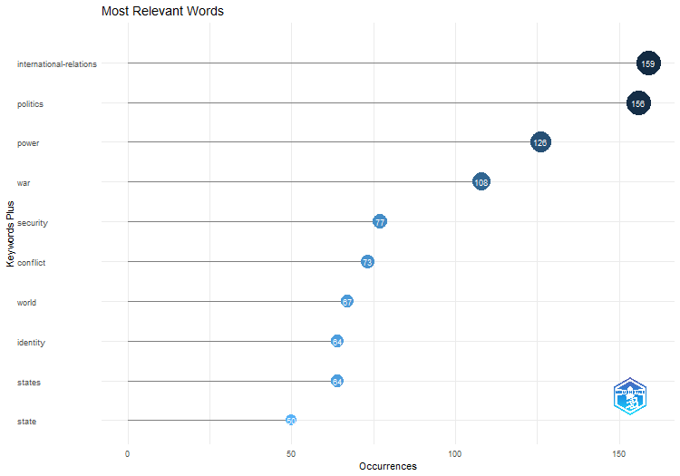
Words | Occurrences
international-relations | 159
politics | 156
power | 126
war | 108
security | 77
conflict | 73
world | 67
identity | 64
states | 64
state | 50
foreign-policy | 48
cooperation | 42
policy | 42
anarchy | 39
democracy | 38
peace | 33
institutions | 31
norms | 29
united-states | 25
dynamics | 24
governance | 24
psychology | 24
constructivism | 23
gender | 22
american | 21
self | 20
world-politics | 20
europe | 19
science | 19
democratic peace | 18
society | 18
discourse | 17
ir | 17
realism | 17
us | 17
future | 16
history | 16
model | 16
construction | 15
decision-making | 15
globalization | 15
ideas | 15
international-relations theory | 15
...

WordCloud
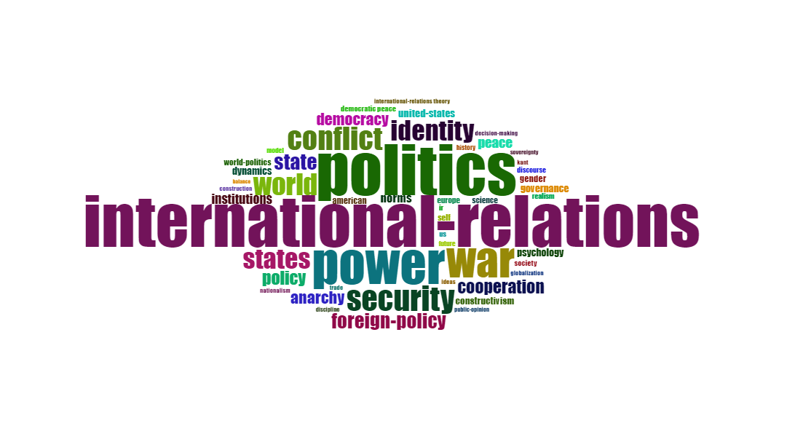
Terms | Frequency
international-relations | 159
politics | 156
power | 126
war | 108
security | 77
conflict | 73
world | 67
identity | 64
states | 64
state | 50
foreign-policy | 48
cooperation | 42
policy | 42
anarchy | 39
democracy | 38
peace | 33
institutions | 31
norms | 29
united-states | 25
dynamics | 24
governance | 24
psychology | 24
constructivism | 23
gender | 22
american | 21
self | 20
world-politics | 20
europe | 19
science | 19
democratic peace | 18
society | 18
discourse | 17
ir | 17
realism | 17
us | 17
future | 16
history | 16
model | 16
construction | 15
decision-making | 15
globalization | 15
ideas | 15
international-relations theory | 15
kant | 15
nationalism | 15
trade | 15
discipline | 14
public-opinion | 14
...

TreeMap
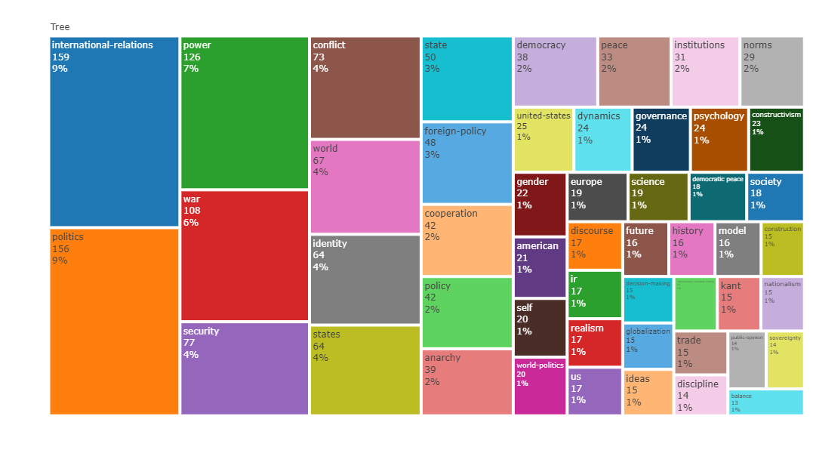
Terms | Frequency
international-relations | 159
politics | 156
power | 126
war | 108
security | 77
conflict | 73
world | 67
identity | 64
states | 64
state | 50
foreign-policy | 48
cooperation | 42
policy | 42
anarchy | 39
democracy | 38
peace | 33
institutions | 31
norms | 29
united-states | 25
dynamics | 24
governance | 24
psychology | 24
constructivism | 23
gender | 22
american | 21
self | 20
world-politics | 20
europe | 19
science | 19
democratic peace | 18
society | 18
discourse | 17
ir | 17
realism | 17
us | 17
future | 16
history | 16
model | 16
construction | 15
decision-making | 15
globalization | 15
ideas | 15
international-relations theory | 15
kant | 15
nationalism | 15
trade | 15
discipline | 14
public-opinion | 14
...

WordFreqOverTime
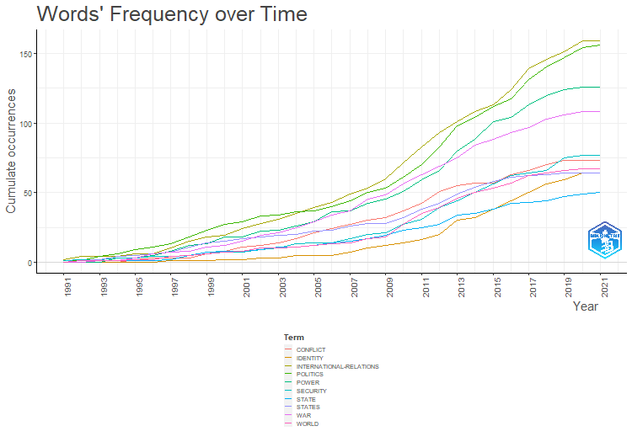
CONFLICT | WORLD | IDENTITY | STATES | STATE
0 | 0 | 0 | 0 | 0
0 | 1 | 0 | 1 | 0
0 | 1 | 0 | 2 | 1
0 | 1 | 0 | 4 | 1
2 | 2 | 0 | 5 | 1
3 | 2 | 0 | 6 | 1
3 | 4 | 1 | 7 | 2
3 | 5 | 1 | 11 | 5
6 | 6 | 1 | 14 | 7
8 | 7 | 2 | 15 | 8
11 | 8 | 2 | 17 | 8
12 | 10 | 3 | 18 | 9
14 | 10 | 3 | 19 | 11
17 | 11 | 5 | 20 | 11
21 | 12 | 5 | 22 | 12
24 | 13 | 5 | 23 | 14
27 | 14 | 7 | 26 | 15
30 | 17 | 10 | 28 | 17
32 | 18 | 12 | 28 | 19
37 | 27 | 14 | 32 | 23
42 | 35 | 16 | 38 | 25
51 | 39 | 20 | 42 | 27
55 | 46 | 30 | 49 | 34
57 | 50 | 32 | 54 | 35
57 | 53 | 38 | 58 | 38
63 | 57 | 44 | 61 | 42
66 | 62 | 50 | 62 | 43
70 | 64 | 56 | 63 | 44
73 | 66 | 59 | 64 | 47
73 | 67 | 64 | 64 | 49
73 | 67 | 64 | 64 | 50

TrendTopics
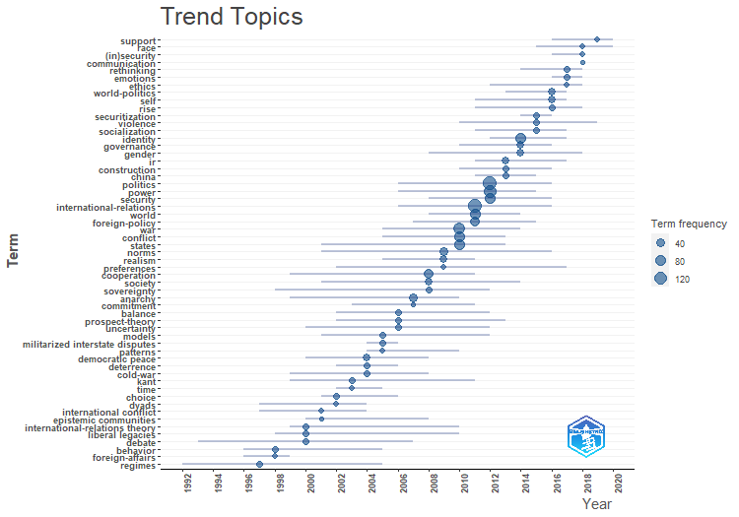
item | freq | year_q1 | year_med | year_q3
regimes | 10 | 1992 | 1997 | 2005
behavior | 10 | 1996 | 1998 | 2005
foreign-affairs | 6 | 1996 | 1998 | 1999
international-relations theory | 15 | 1999 | 2000 | 2010
liberal legacies | 11 | 1998 | 2000 | 2010
debate | 9 | 1993 | 2000 | 2007
international conflict | 8 | 1997 | 2001 | 2004
epistemic communities | 5 | 2000 | 2001 | 2008
choice | 11 | 2001 | 2002 | 2006
dyads | 8 | 1997 | 2002 | 2004
kant | 15 | 1999 | 2003 | 2011
time | 7 | 2002 | 2003 | 2005
democratic peace | 18 | 2000 | 2004 | 2008
deterrence | 12 | 2002 | 2004 | 2006
cold-war | 10 | 1999 | 2004 | 2008
models | 11 | 2001 | 2005 | 2012
militarized interstate disputes | 9 | 2004 | 2005 | 2006
patterns | 7 | 2004 | 2005 | 2010
balance | 13 | 2002 | 2006 | 2012
prospect-theory | 12 | 2002 | 2006 | 2013
uncertainty | 11 | 2000 | 2006 | 2012
anarchy | 39 | 1999 | 2007 | 2010
commitment | 5 | 2003 | 2007 | 2011
cooperation | 42 | 1999 | 2008 | 2011
society | 18 | 2001 | 2008 | 2014
sovereignty | 14 | 1998 | 2008 | 2012
norms | 29 | 2001 | 2009 | 2016
realism | 17 | 2005 | 2009 | 2011
preferences | 7 | 2002 | 2009 | 2017
war | 108 | 2005 | 2010 | 2014
conflict | 73 | 2005 | 2010 | 2013
states | 64 | 2001 | 2010 | 2013
international-relations | 159 | 2006 | 2011 | 2016
world | 67 | 2008 | 2011 | 2014
foreign-policy | 48 | 2007 | 2011 | 2015
politics | 156 | 2006 | 2012 | 2016
power | 126 | 2006 | 2012 | 2015
security | 77 | 2008 | 2012 | 2016
ir | 17 | 2011 | 2013 | 2017
construction | 15 | 2010 | 2013 | 2016
china | 13 | 2011 | 2013 | 2015
identity | 64 | 2012 | 2014 | 2017
governance | 24 | 2010 | 2014 | 2016
...

CoWordNet
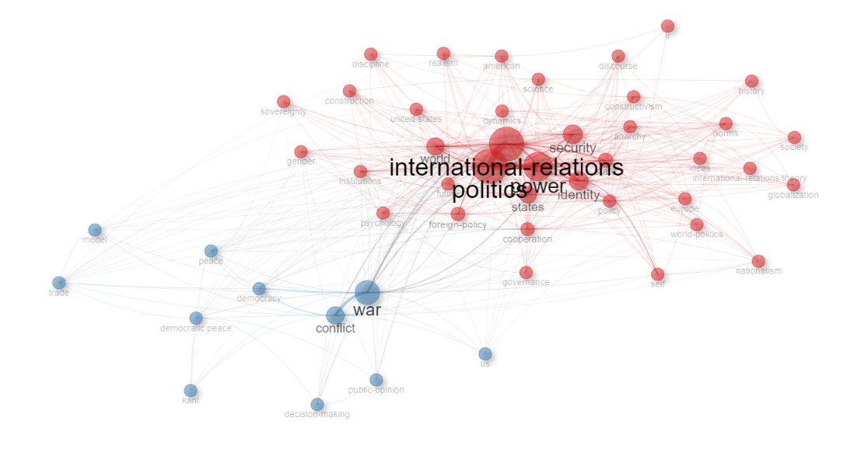
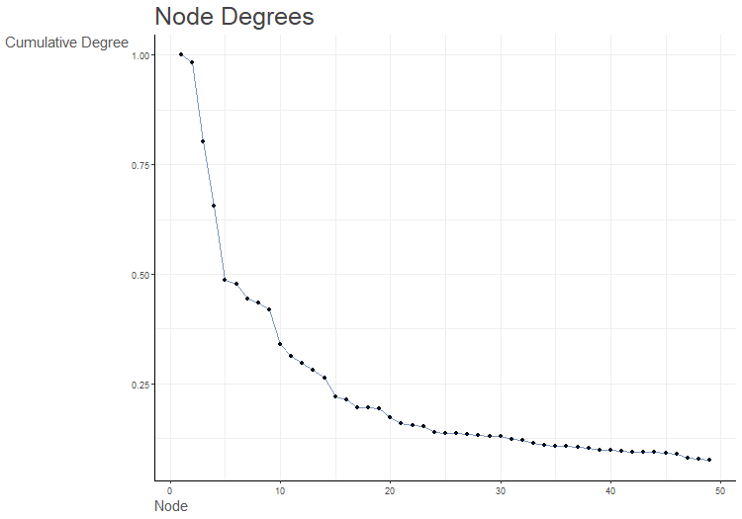
Node | Cluster | Betweenness | Closeness | PageRank
international-relations | 1 | 161.05286547 | 0.018867924528 | 0.080816394427
politics | 1 | 187.57475944 | 0.019607843137 | 0.084876973163
power | 1 | 97.125651547 | 0.018181818182 | 0.067385379161
security | 1 | 21.998618498 | 0.014925373134 | 0.039520847987
world | 1 | 42.963114503 | 0.015873015873 | 0.037563917648
identity | 1 | 27.530567718 | 0.015384615385 | 0.043452394204
states | 1 | 24.410587229 | 0.016129032258 | 0.036160129242
state | 1 | 13.483537187 | 0.014492753623 | 0.029142167095
foreign-policy | 1 | 9.5197414982 | 0.014084507042 | 0.026521917429
cooperation | 1 | 10.146681496 | 0.014705882353 | 0.027127897173
policy | 1 | 34.449060371 | 0.014925373134 | 0.026685671022
anarchy | 1 | 4.7156961227 | 0.013157894737 | 0.021486145315
institutions | 1 | 2.5203378602 | 0.012987012987 | 0.015708560448
norms | 1 | 4.3107793391 | 0.013333333333 | 0.018210102228
united-states | 1 | 2.2250505743 | 0.012658227848 | 0.014229315012
dynamics | 1 | 0.58916045481 | 0.011904761905 | 0.011579275413
governance | 1 | 0.19512089753 | 0.011363636364 | 0.010016895078
psychology | 1 | 3.5192935986 | 0.012820512821 | 0.016401398578
constructivism | 1 | 4.876980412 | 0.013333333333 | 0.019832553654
gender | 1 | 0.037685812364 | 0.011904761905 | 0.011240066298
american | 1 | 4.7114460665 | 0.012345679012 | 0.012260831669
self | 1 | 0.26859200381 | 0.011764705882 | 0.014677222283
world-politics | 1 | 0.41543181905 | 0.012048192771 | 0.010404451335
europe | 1 | 0.26014566258 | 0.011764705882 | 0.012125212842
science | 1 | 1.2844752395 | 0.012048192771 | 0.012100039629
society | 1 | 0.22767256857 | 0.011764705882 | 0.0086913668097
discourse | 1 | 0.041382899017 | 0.011764705882 | 0.011234255649
ir | 1 | 0 | 0.010101010101 | 0.0050016294484
realism | 1 | 0.14151613075 | 0.011363636364 | 0.0080081913906
future | 1 | 1.1396003628 | 0.012195121951 | 0.011701066758
history | 1 | 0.14410820955 | 0.011363636364 | 0.0074911201336
construction | 1 | 0.49749754274 | 0.011764705882 | 0.0099478581266
globalization | 1 | 0.073190303401 | 0.011494252874 | 0.0076216676263
ideas | 1 | 0.087899561361 | 0.011764705882 | 0.0086255901319
international-relations theory | 1 | 0.11407702467 | 0.011363636364 | 0.0076280436456
nationalism | 1 | 0.25497433209 | 0.011764705882 | 0.011801327608
discipline | 1 | 0.022857142857 | 0.011363636364 | 0.0081010331632
sovereignty | 1 | 0.037824884507 | 0.011111111111 | 0.0062330820763
war | 2 | 51.203802542 | 0.016393442623 | 0.053027453478
conflict | 2 | 27.623248635 | 0.014705882353 | 0.03656433091
democracy | 2 | 1.683693304 | 0.012345679012 | 0.015958906495
peace | 2 | 3.7160897212 | 0.012820512821 | 0.017605403205
democratic peace | 2 | 1.4260503854 | 0.012048192771 | 0.012598246417
us | 2 | 0.16073824659 | 0.011494252874 | 0.0081126135313
model | 2 | 0.065218843969 | 0.011627906977 | 0.0080320824136
decision-making | 2 | 0.11382014212 | 0.011235955056 | 0.0093853959315
kant | 2 | 0.02752293578 | 0.010869565217 | 0.0064350263463
trade | 2 | 0.74831960819 | 0.012195121951 | 0.010079266549
...

ThematicMap
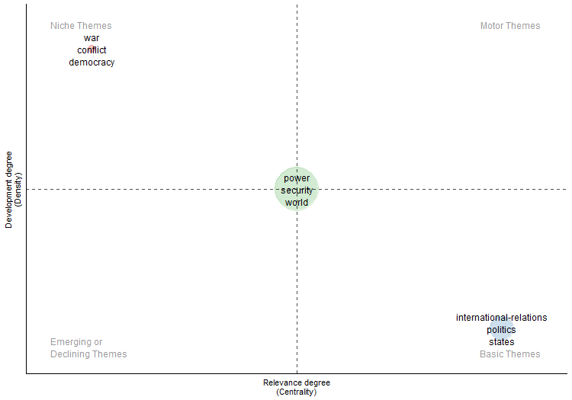
...
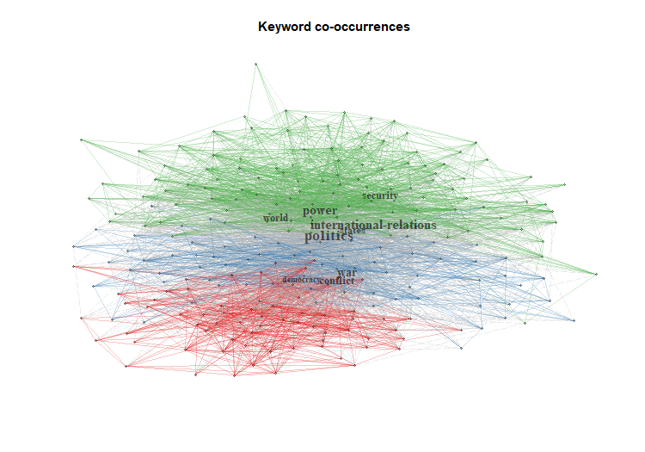
...

FactorialAnalysis
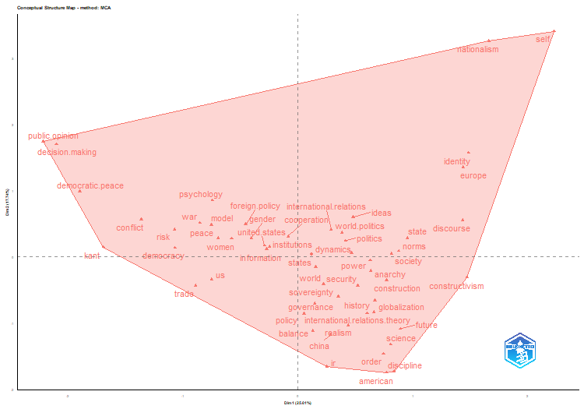
values
ID
1
MCA
13
1
8
FALSE
5
5
FALSE

Dim.1 | Dim.2 | cluster
0.29 | 0.41 | 1
0.42 | 0.24 | 1
0.63 | -0.05 | 1
-0.85 | 0.51 | 1
0.52 | -0.43 | 1
-1.36 | 0.57 | 1
0.22 | -0.42 | 1
1.49 | 1.57 | 1
0.15 | -0.15 | 1
0.95 | 0.28 | 1
-0.46 | 0.49 | 1
-0.09 | 0.31 | 1
0.05 | -0.86 | 1
0.63 | -0.22 | 1
-1.07 | 0.13 | 1
-0.7 | 0.28 | 1
-0.25 | 0.15 | 1
0.88 | 0.09 | 1
-0.29 | 0.17 | 1
0.47 | 0.05 | 1
0.14 | -0.71 | 1
-0.74 | 0.85 | 1
1.47 | -0.31 | 1
-0.41 | 0.28 | 1
0.77 | -1.75 | 1
2.23 | 3.4 | 1
0.38 | 0.36 | 1
1.44 | 1.35 | 1
0.81 | -1.32 | 1
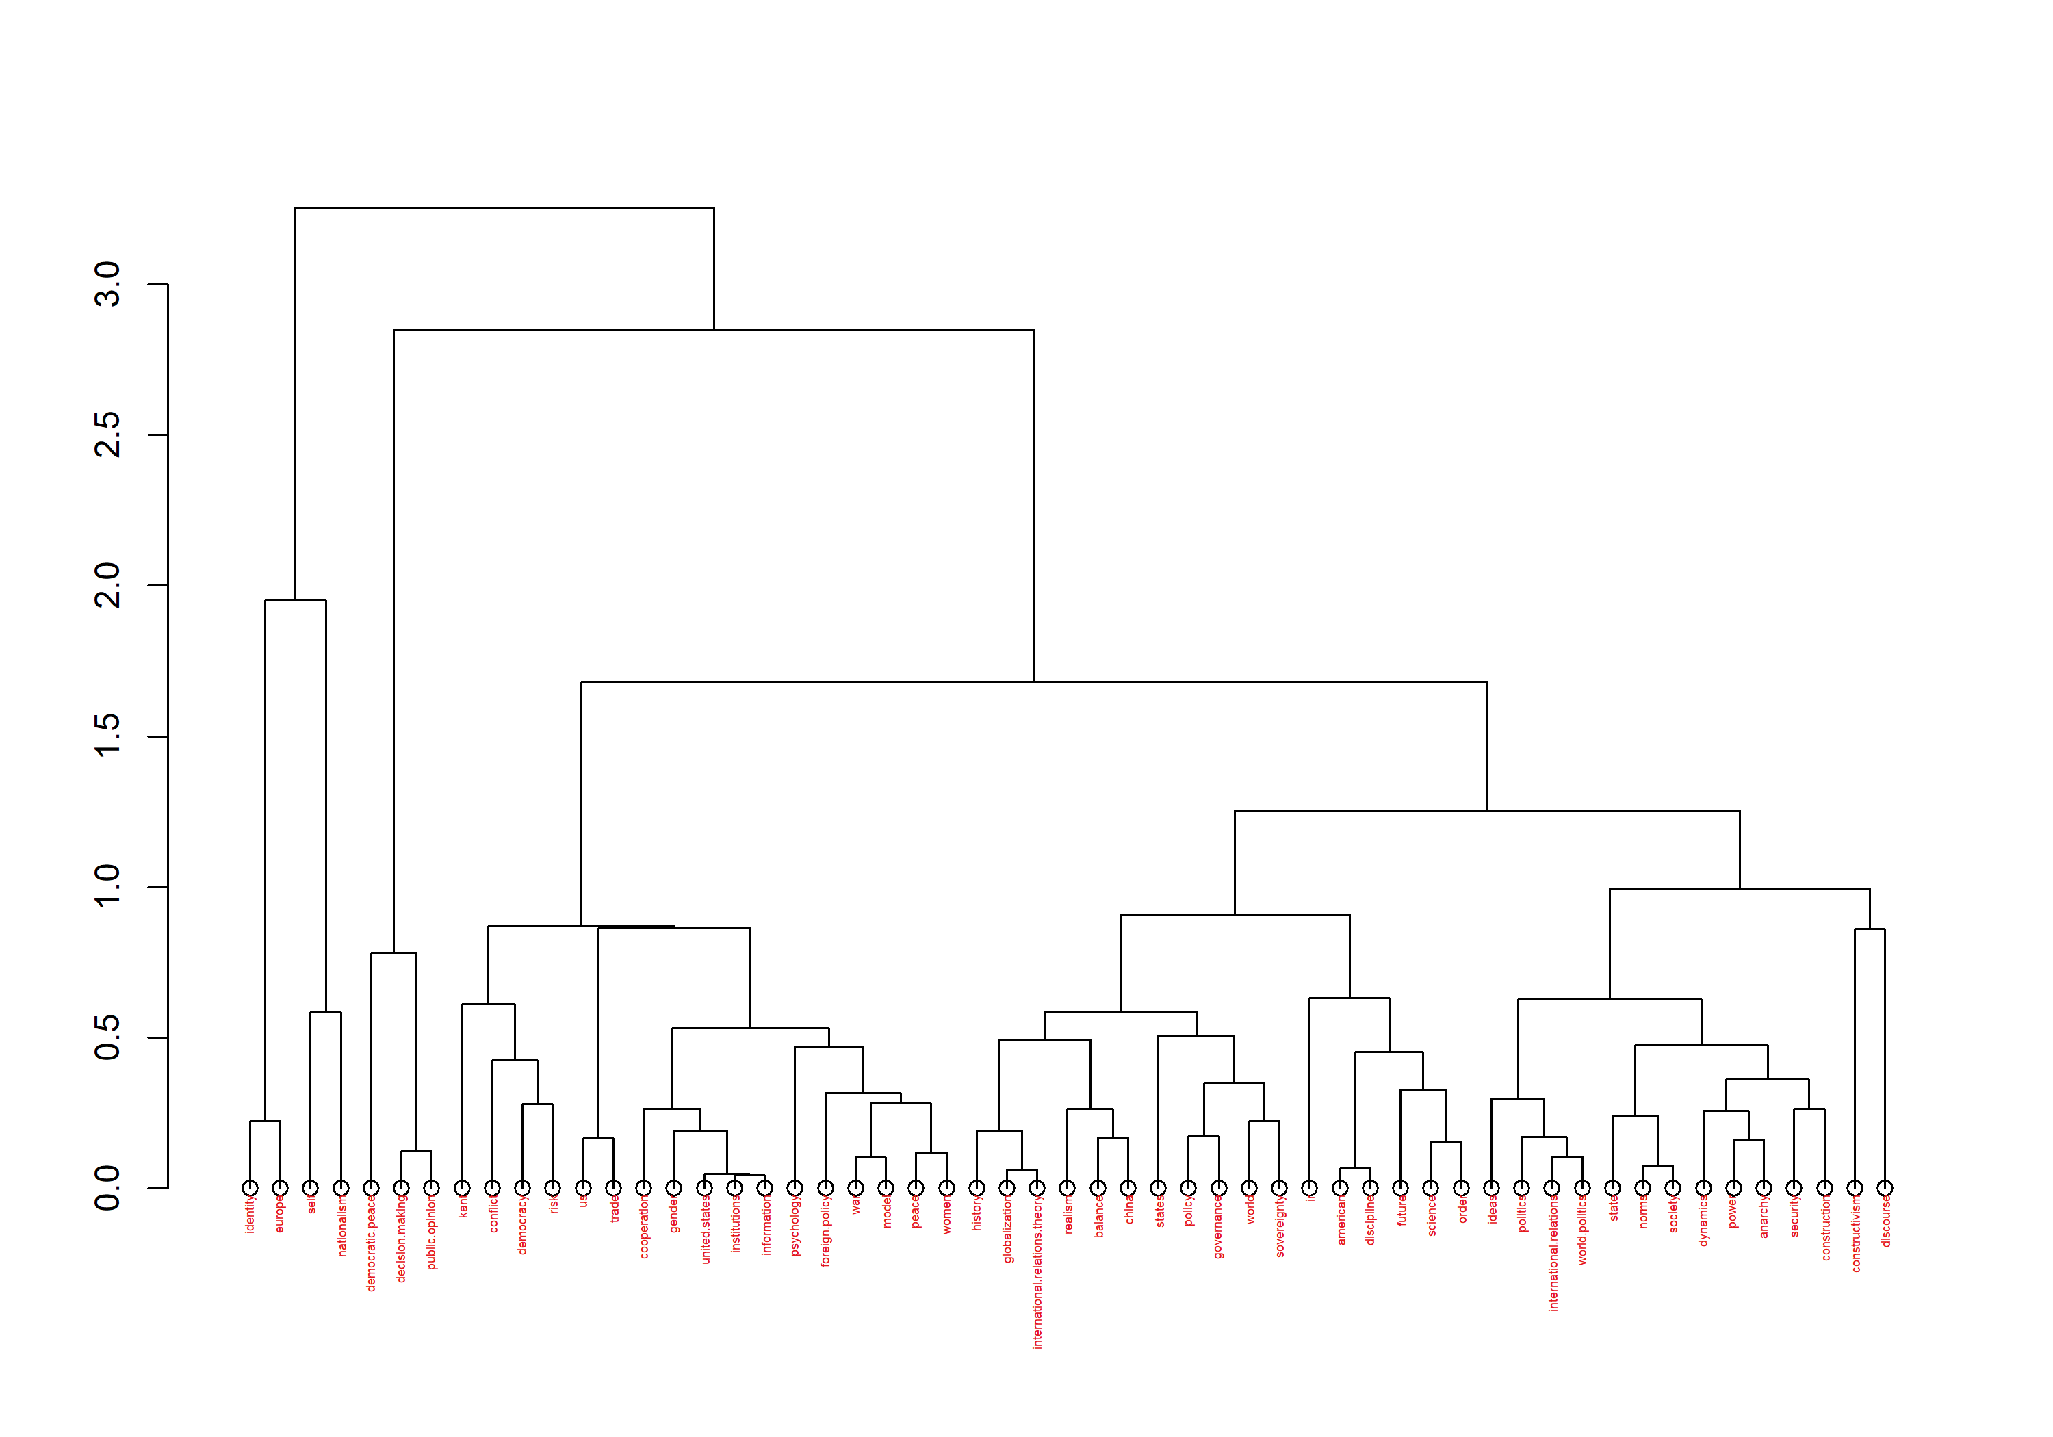
-1.9 | 0.98 | 1
0.81 | 0.05 | 1
1.43 | 0.55 | 1
0.25 | -1.66 | 1
0.44 | -1.03 | 1
-0.75 | -0.35 | 1
0.89 | -1.09 | 1
0.67 | -0.66 | 1
-0.75 | 0.48 | 1
0.77 | -0.36 | 1
-2.1 | 1.7 | 1
0.66 | -0.83 | 1
0.48 | 0.6 | 1
0.6 | -0.86 | 1
-1.69 | 0.15 | 1
1.66 | 3.26 | 1
-0.89 | -0.44 | 1
0.84 | -1.73 | 1
-2.22 | 1.74 | 1
0.35 | -0.6 | 1
0.13 | -1.12 | 1
0.29 | -1.18 | 1
-0.27 | 0.12 | 1
0.75 | -1.47 | 1
-1.07 | 0.41 | 1
-0.58 | 0.27 | 1

dim1 | dim2 | contrib | TC | Cluster
0.03 | -0.16 | 0.11 | 2305 | 1
0.17 | -0.11 | 0.16 | 1269 | 1
0.1 | -0.17 | 0.17 | 957 | 1
0 | -0.1 | 0.05 | 842 | 1
0.27 | 0.03 | 0.29 | 719 | 1
0.09 | -0.21 | 0.22 | 674 | 1
0.3 | 0.09 | 0.39 | 660 | 1
0.04 | -0.03 | 0.01 | 647 | 1
0.01 | -0.01 | 0 | 627 | 1
-0.01 | 0.01 | 0 | 621 | 1
0.03 | 0.08 | 0.03 | 609 | 1
0.19 | -0.06 | 0.15 | 593 | 1
0.03 | -0.05 | 0.01 | 513 | 1
-0.28 | 0.08 | 0.33 | 488 | 1
-0.16 | 0.04 | 0.1 | 457 | 1
...

CollabWorldMap
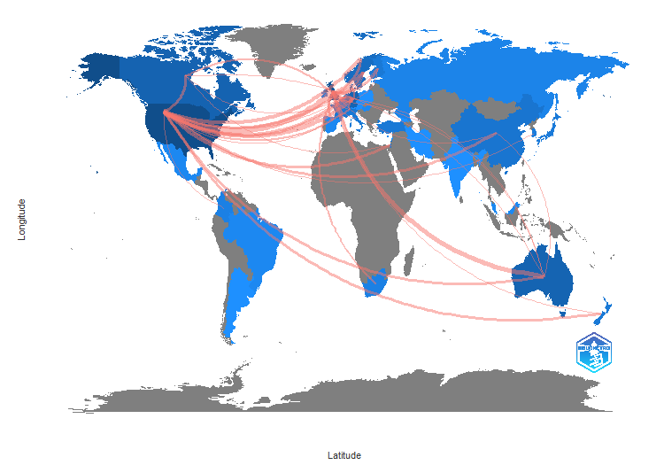
From | To | Frequency
AUSTRALIA | BELGIUM | 2
AUSTRALIA | BRAZIL | 1
AUSTRALIA | CANADA | 2
AUSTRALIA | CHINA | 2
AUSTRALIA | DENMARK | 1
AUSTRALIA | FRANCE | 1
AUSTRALIA | NETHERLANDS | 2
AUSTRALIA | NORWAY | 1
AUSTRALIA | SOUTH AFRICA | 1
BELGIUM | FRANCE | 1
BELGIUM | SOUTH AFRICA | 1
CANADA | BELGIUM | 1
CANADA | DENMARK | 1
CANADA | FRANCE | 1
CANADA | ISRAEL | 2
CANADA | NETHERLANDS | 2
CANADA | SOUTH AFRICA | 1
CANADA | URUGUAY | 1
CHINA | BELGIUM | 1
CHINA | FINLAND | 1
CHINA | JAPAN | 1
CHINA | POLAND | 1
DENMARK | CHINA | 1
DENMARK | RUSSIA | 1
DENMARK | SWEDEN | 2
FINLAND | AUSTRIA | 1
FINLAND | JAPAN | 1
FINLAND | POLAND | 1
FRANCE | ITALY | 1
FRANCE | KOREA | 1
GERMANY | AUSTRALIA | 1
GERMANY | AUSTRIA | 1
GERMANY | CHINA | 1
GERMANY | DENMARK | 3
GERMANY | FINLAND | 2
GERMANY | FRANCE | 2
GERMANY | GEORGIA | 1
GERMANY | ISRAEL | 1
GERMANY | KOREA | 1
GERMANY | NEPAL | 1
GERMANY | NETHERLANDS | 4
GERMANY | NEW ZEALAND | 1
GERMANY | NORWAY | 1
...

